tbl5_Index date mono class
RECORD LEVEL：Drug Expore End Date Quality Check for Drug Exposure Records at Index Date (Mono-Class Cohort N=62448)
metric | n | pct
Total patients | 62,448
Total records | 82,173 | 100.00%
End date missing | 12,824 | 15.61%
End date earlier than start date | 0 | 0.00%
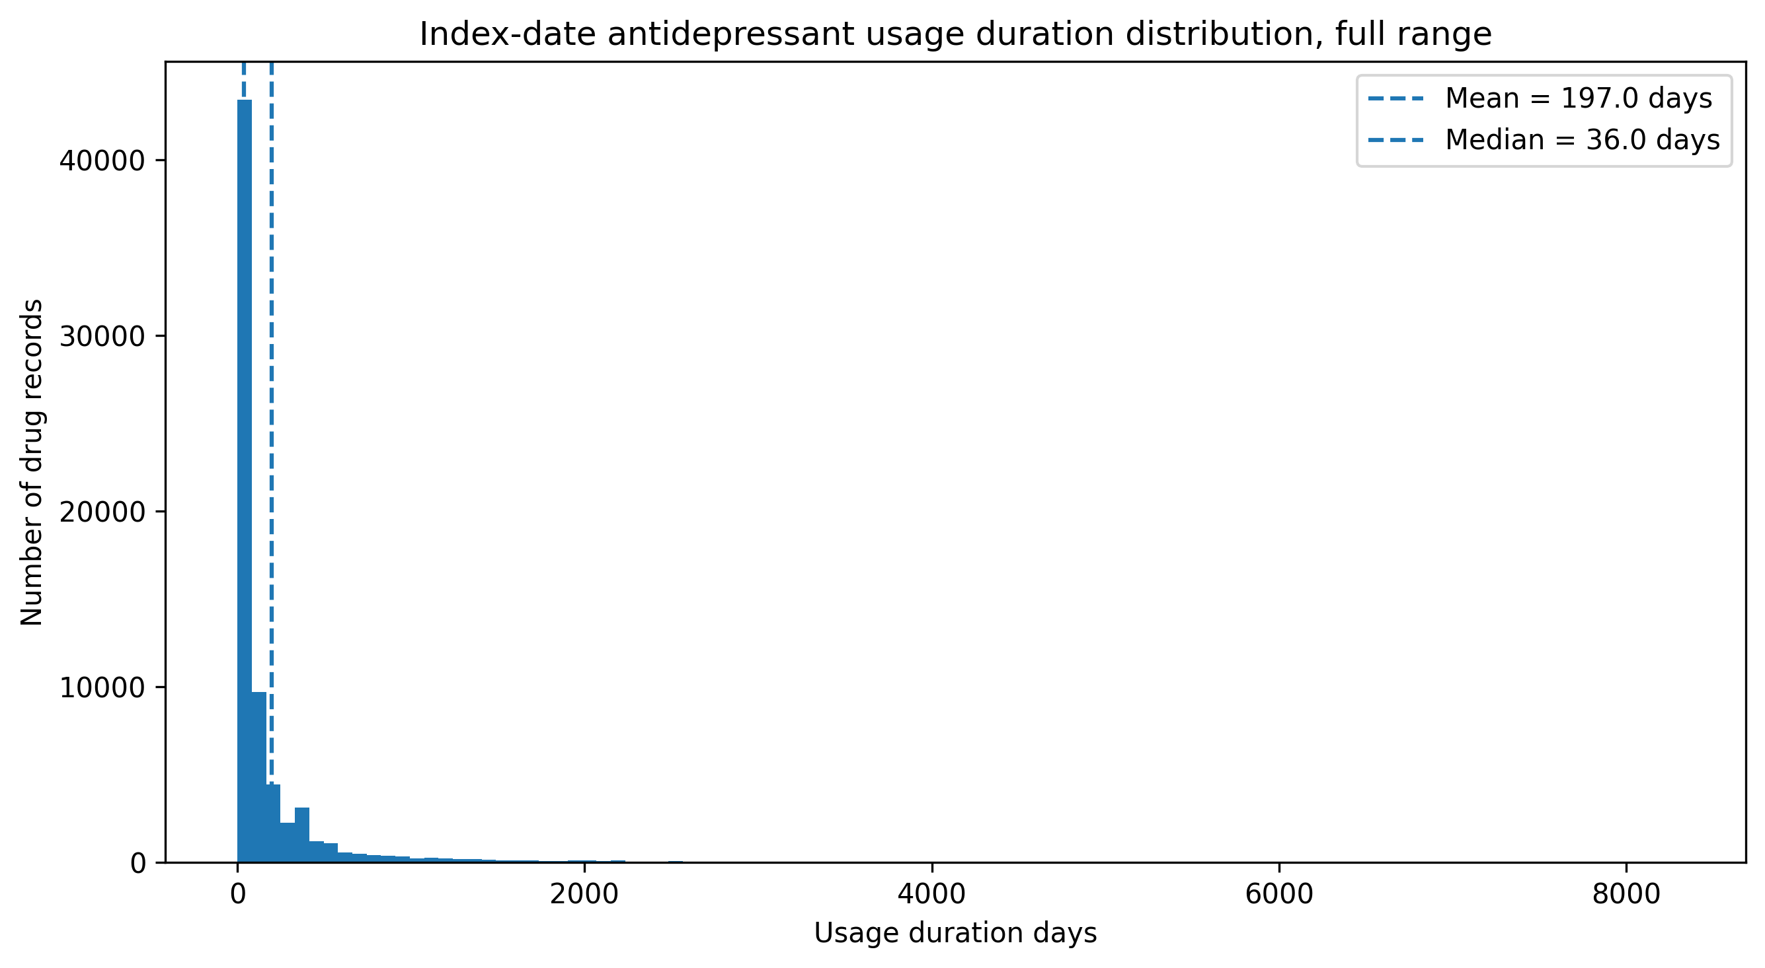
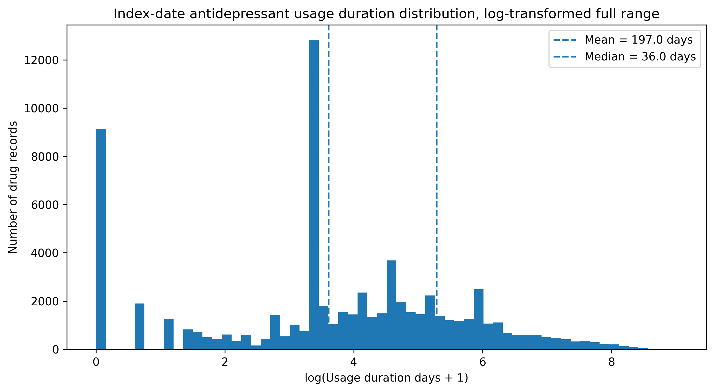
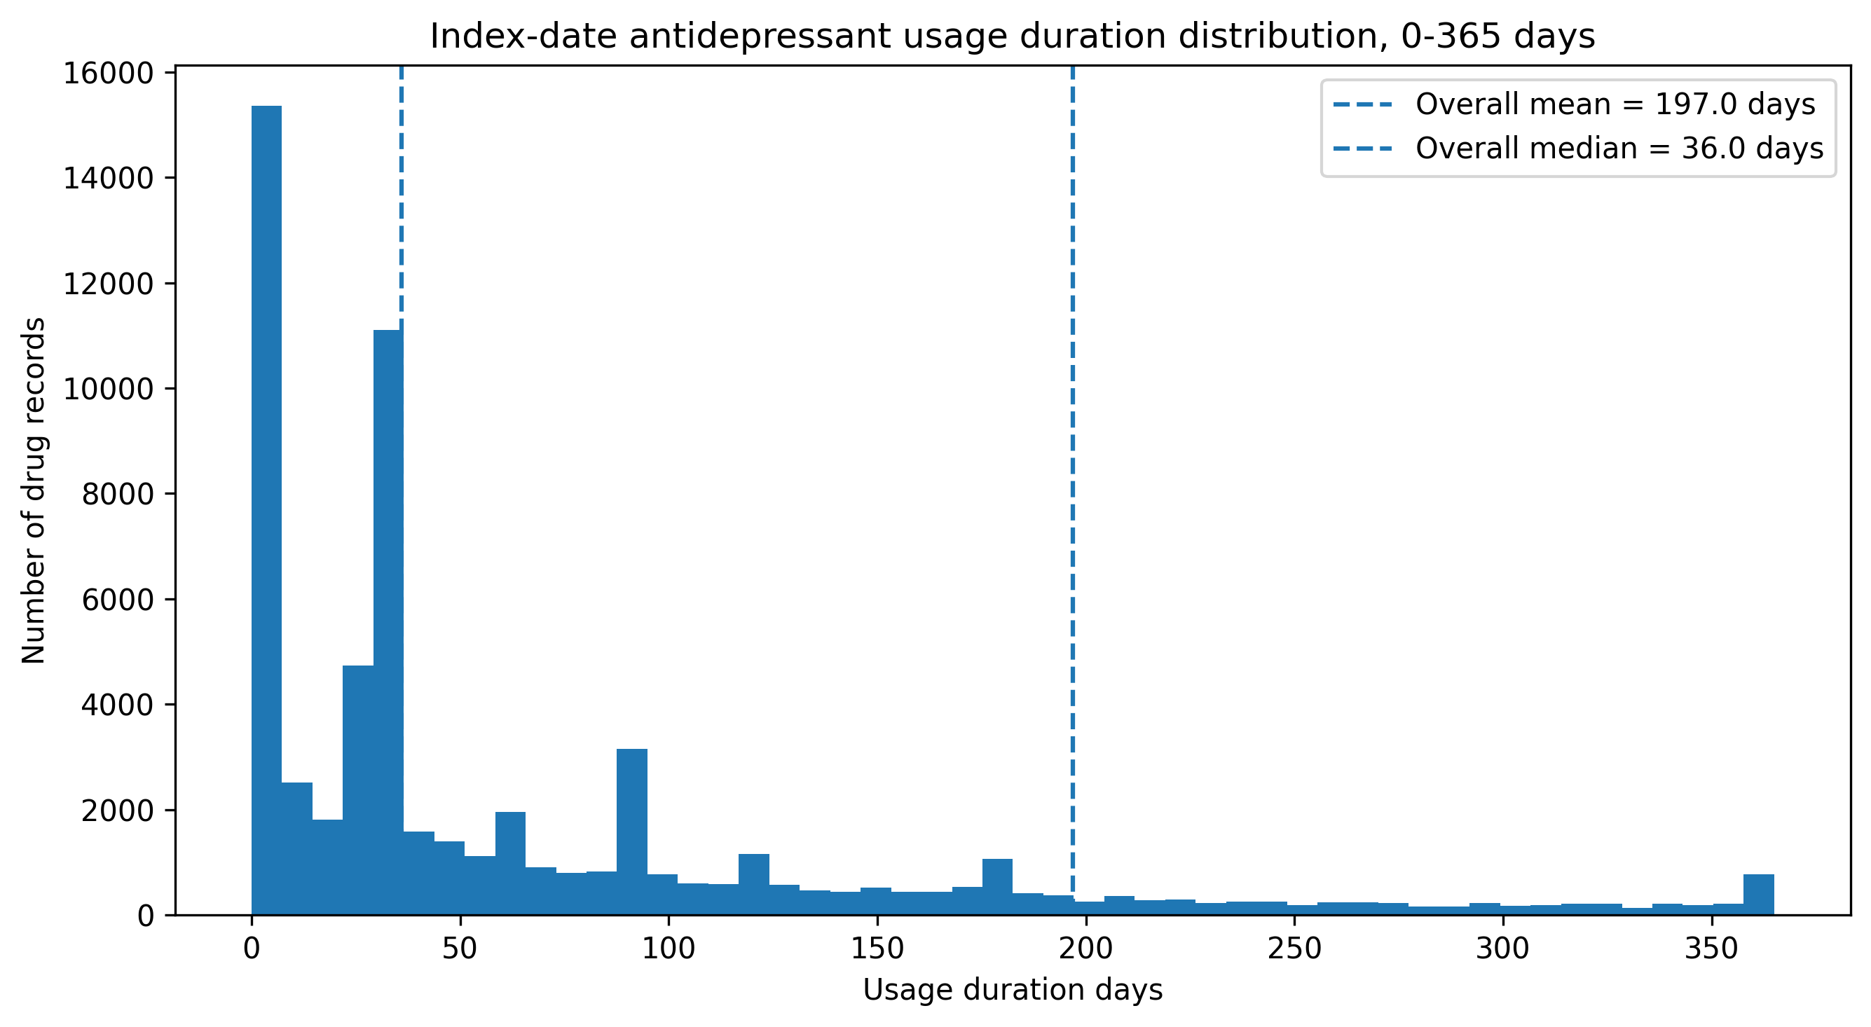

Patient LEVEL： INDEX DATE DRUG CLASS USAGE DURATION SUMMARY

Total records | 82,173
duration_missing_n | 11,540
duration_missing_pct | 14.04
negative_duration_n | 0
negative_duration_pct | 0
zero_duration_n | 9,136
zero_duration_pct | 11.11
mean_duration | 197
sd_duration | 478.9
median_duration | 36
q1_duration | 14
q3_duration | 162
min_duration | 0
max_duration | 8,274

PATIENT LEVEL: INDEX DATE DRUG CLASS USAGE DURATION DISTRIBUTION
duration_group | patient_n | pct
0 days | 6,983 | 11.18%
1-7 days | 4,140 | 6.63% | Note: duration zero day records cannot log(0), so log(duration +1)
31-90 days | 10,276 | 16.46% | exp(3.4) - 1 ≈ 29 天 has most records
8-30 days | 14,112 | 22.60%
91-180 days | 5,966 | 9.55%
>180 days | 11,358 | 18.19%
NA | 9,613 | 15.39%
Total records | 62,448

Footnotes (Simplified)
Duration was defined as the time from index date to the latest drug end date among all drug records on the index date for each patient.
When multiple drug records existed on the index date, the maximum end date was used.
Patients with no available end date at index were classified as missing.
Each patient contributed only one duration value to the analysis

missing value
1. start date + days of supply
2. start date + 30 days

tbl6 LOT summary
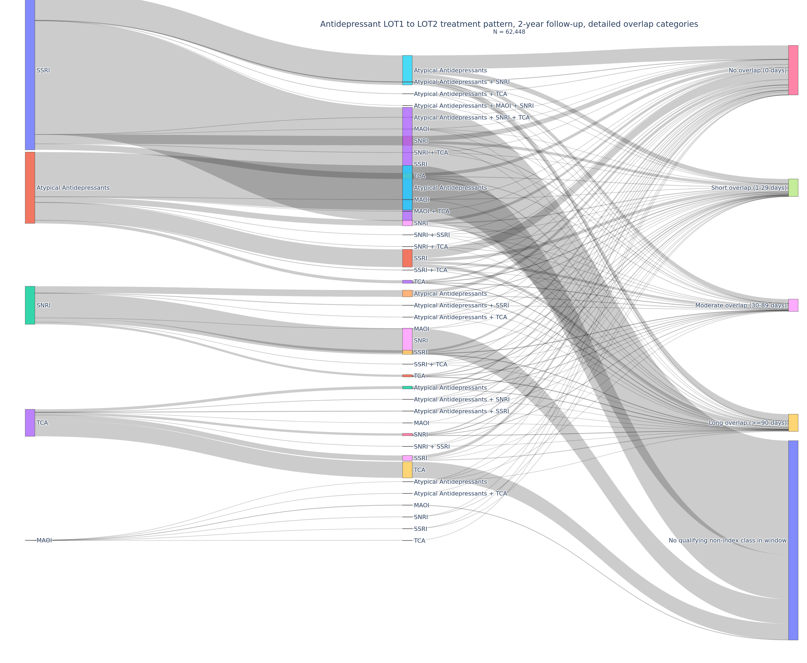
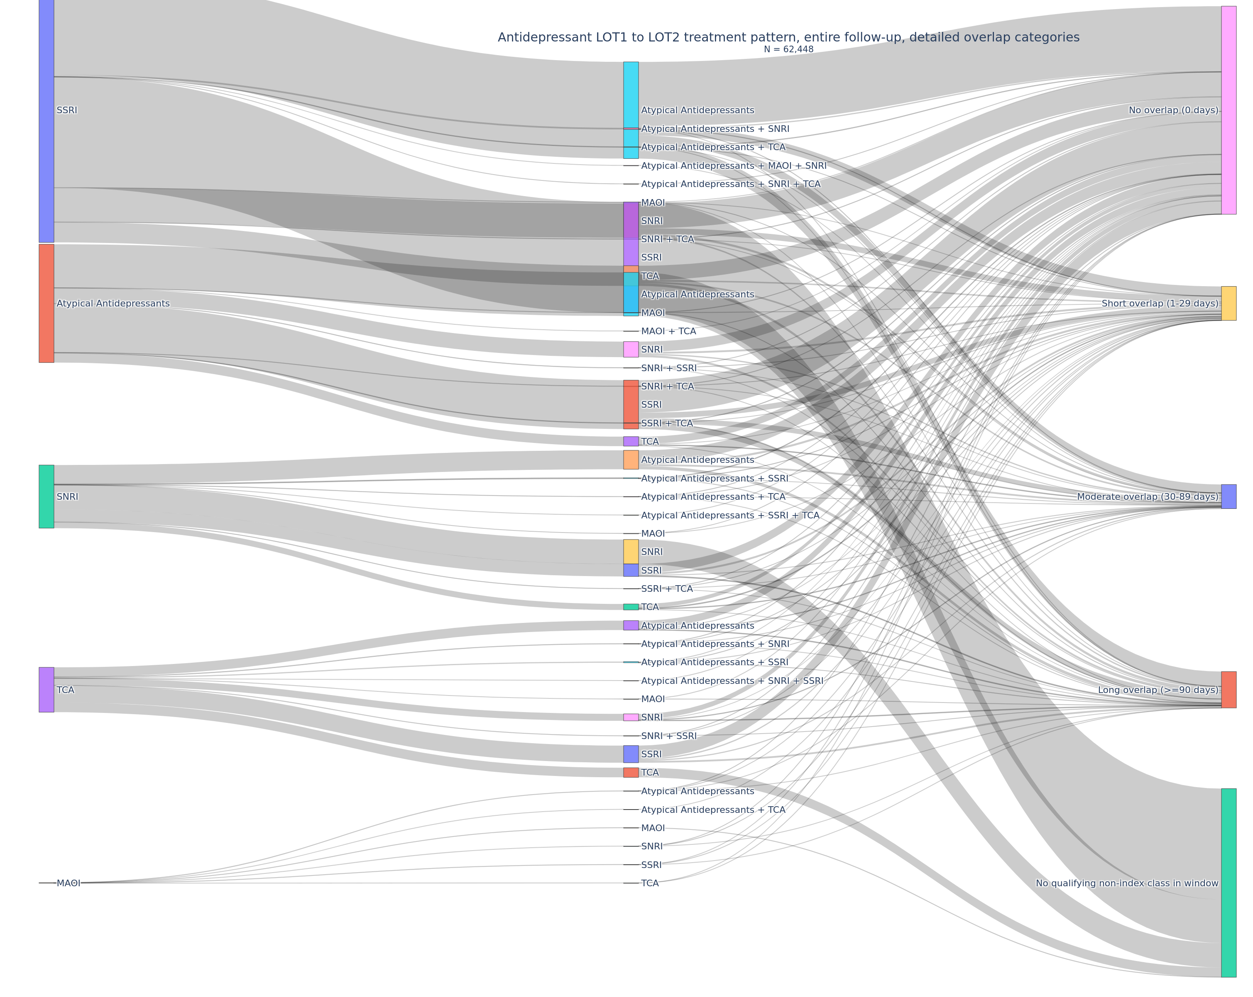
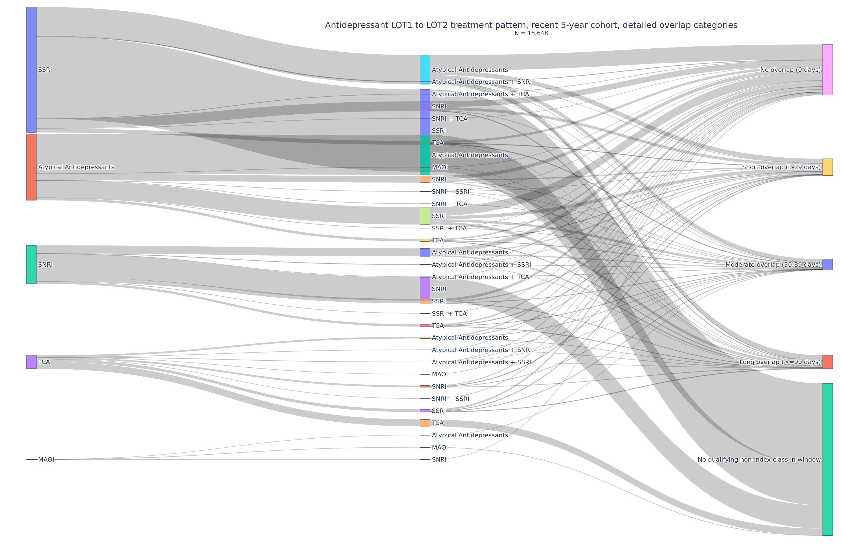
drug_df_index_mono_class
All antidepressant drug exposure records for patients who initiated treatment with a single antidepressant class at the index date (mono-class cohort).

Latest data cut | 10/1/2023

total_records | 3,111,666
total_patients | 62,448
imputed_end_date_n in entire FU | 682,146

patient_class_transition
This table summarizes the distribution of treatment transitions based on the duration of overlap between the index antidepressant class and a subsequent different drug class in entire follow-up
Only Look at index class and overlap class
overlap_bucket transition_n
<chr> <int>
1 0 days 192313
2 1-29 days 5584
3 30-89 days 4616
4 >=90 days 6350

0 days: No overlap (i.e., direct switch)
1–29 days: Short overlap (likely transition/tapering period)
30–89 days: Moderate overlap
≥90 days: Long overlap (indicative of sustained combination therapy)

transition_n
The number of transition events (not patients) falling into each overlap category.
A single patient may contribute multiple transitions.

lot_summary_1y |  |  |  |  | lot_summary_2y |  |  |  |  | lot_summary_entire |  |  |  |  | lot_summary_recent5y
LOT1 ( first antidepressant class episode on inedex drug date） | LOT2 | overlap_category | patient_n | % | LOT1 | LOT2 | overlap_category | patient_n | % | LOT1 | LOT2 | overlap_category | patient_n | % | LOT1 | LOT2 | overlap_category | patient_n | %
SSRI | Atypical Antidepressants | Short / No overlap (<90 days) | 3214 | 5.10% | SSRI | Atypical Antidepressants | Short / No overlap (<90 days) | 4808 | 7.70% | SSRI | Atypical Antidepressants | Short / No overlap (<90 days) | 10422 | 16.70% | SSRI | Atypical Antidepressants | Short / No overlap (<90 days) | 1517 | 9.69%
SSRI | Atypical Antidepressants | Long overlap (>=90 days) | 1125 | 1.80% | SSRI | Atypical Antidepressants | Long overlap (>=90 days) | 1420 | 2.30% | SSRI | Atypical Antidepressants | Long overlap (>=90 days) | 1876 | 3.00% | SSRI | Atypical Antidepressants | Long overlap (>=90 days) | 353 | 2.26%
SSRI | Atypical Antidepressants + SNRI | Short / No overlap (<90 days) | 60 | 0.10% | SSRI | Atypical Antidepressants + SNRI | Short / No overlap (<90 days) | 91 | 0.10% | SSRI | Atypical Antidepressants + SNRI | Short / No overlap (<90 days) | 197 | 0.30% | SSRI | Atypical Antidepressants + SNRI | Short / No overlap (<90 days) | 27 | 0.17%
SSRI | Atypical Antidepressants + SNRI | Long overlap (>=90 days) | 6 | 0.00% | SSRI | Atypical Antidepressants + SNRI | Long overlap (>=90 days) | 10 | 0.00% | SSRI | Atypical Antidepressants + SNRI | Long overlap (>=90 days) | 11 | 0.00% | SSRI | Atypical Antidepressants + SNRI | Long overlap (>=90 days) | 3 | 0.02%
SSRI | Atypical Antidepressants + SNRI + MAOI | Short / No overlap (<90 days) | 1 | 0.00% | SSRI | Atypical Antidepressants + SNRI + MAOI | Short / No overlap (<90 days) | 1 | 0.00% | SSRI | Atypical Antidepressants + SNRI + MAOI | Short / No overlap (<90 days) | 1 | 0.00% | SSRI | Atypical Antidepressants + TCA | Short / No overlap (<90 days) | 7 | 0.04%
SSRI | Atypical Antidepressants + TCA | Short / No overlap (<90 days) | 19 | 0.00% | SSRI | Atypical Antidepressants + SNRI + TCA | Short / No overlap (<90 days) | 2 | 0.00% | SSRI | Atypical Antidepressants + SNRI + TCA | Short / No overlap (<90 days) | 3 | 0.00% | SSRI | SNRI | Short / No overlap (<90 days) | 597 | 3.82%
SSRI | Atypical Antidepressants + TCA | Long overlap (>=90 days) | 1 | 0.00% | SSRI | Atypical Antidepressants + TCA | Short / No overlap (<90 days) | 27 | 0.00% | SSRI | Atypical Antidepressants + TCA | Short / No overlap (<90 days) | 58 | 0.10% | SSRI | SNRI | Long overlap (>=90 days) | 30 | 0.19%
SSRI | MAOI | Short / No overlap (<90 days) | 5 | 0.00% | SSRI | Atypical Antidepressants + TCA | Long overlap (>=90 days) | 2 | 0.00% | SSRI | Atypical Antidepressants + TCA | Long overlap (>=90 days) | 3 | 0.00% | SSRI | SNRI + TCA | Short / No overlap (<90 days) | 1 | 0.01%
SSRI | SNRI | Short / No overlap (<90 days) | 1142 | 1.80% | SSRI | MAOI | Short / No overlap (<90 days) | 5 | 0.00% | SSRI | MAOI | Short / No overlap (<90 days) | 10 | 0.00% | SSRI | SSRI | No qualifying non-index class in window | 5278 | 33.73%
SSRI | SNRI | Long overlap (>=90 days) | 101 | 0.20% | SSRI | MAOI | Long overlap (>=90 days) | 1 | 0.00% | SSRI | MAOI | Long overlap (>=90 days) | 1 | 0.00% | SSRI | TCA | Short / No overlap (<90 days) | 212 | 1.35%
SSRI | SNRI + TCA | Short / No overlap (<90 days) | 5 | 0.00% | SSRI | SNRI | Short / No overlap (<90 days) | 1826 | 2.90% | SSRI | SNRI | Short / No overlap (<90 days) | 4157 | 6.70% | SSRI | TCA | Long overlap (>=90 days) | 36 | 0.23%
SSRI | SSRI | No qualifying non-index class in window | 27089 | 43.40% | SSRI | SNRI | Long overlap (>=90 days) | 142 | 0.20% | SSRI | SNRI | Long overlap (>=90 days) | 198 | 0.30% | Atypical Antidepressants | Atypical Antidepressants | No qualifying non-index class in window | 2552 | 16.31%
SSRI | TCA | Short / No overlap (<90 days) | 639 | 1.00% | SSRI | SNRI + TCA | Short / No overlap (<90 days) | 7 | 0.00% | SSRI | SNRI + TCA | Short / No overlap (<90 days) | 30 | 0.00% | Atypical Antidepressants | MAOI | Short / No overlap (<90 days) | 2 | 0.01%
SSRI | TCA | Long overlap (>=90 days) | 212 | 0.30% | SSRI | SSRI | No qualifying non-index class in window | 24013 | 38.50% | SSRI | SSRI | No qualifying non-index class in window | 14087 | 22.60% | Atypical Antidepressants | MAOI | Long overlap (>=90 days) | 1 | 0.01%
Atypical Antidepressants | Atypical Antidepressants | No qualifying non-index class in window | 10955 | 17.50% | SSRI | TCA | Short / No overlap (<90 days) | 1001 | 1.60% | SSRI | TCA | Short / No overlap (<90 days) | 2231 | 3.60% | Atypical Antidepressants | SNRI | Short / No overlap (<90 days) | 354 | 2.26%
Atypical Antidepressants | MAOI | Short / No overlap (<90 days) | 3 | 0.00% | SSRI | TCA | Long overlap (>=90 days) | 263 | 0.40% | SSRI | TCA | Long overlap (>=90 days) | 334 | 0.50% | Atypical Antidepressants | SNRI | Long overlap (>=90 days) | 63 | 0.40%
Atypical Antidepressants | MAOI | Long overlap (>=90 days) | 1 | 0.00% | Atypical Antidepressants | Atypical Antidepressants | No qualifying non-index class in window | 9411 | 15.10% | Atypical Antidepressants | Atypical Antidepressants | No qualifying non-index class in window | 5541 | 8.90% | Atypical Antidepressants | SNRI + SSRI | Short / No overlap (<90 days) | 6 | 0.04%
Atypical Antidepressants | SNRI | Short / No overlap (<90 days) | 649 | 1.00% | Atypical Antidepressants | MAOI | Short / No overlap (<90 days) | 5 | 0.00% | Atypical Antidepressants | MAOI | Short / No overlap (<90 days) | 15 | 0.00% | Atypical Antidepressants | SNRI + SSRI | Long overlap (>=90 days) | 1 | 0.01%
Atypical Antidepressants | SNRI | Long overlap (>=90 days) | 195 | 0.30% | Atypical Antidepressants | MAOI | Long overlap (>=90 days) | 2 | 0.00% | Atypical Antidepressants | MAOI | Long overlap (>=90 days) | 2 | 0.00% | Atypical Antidepressants | SNRI + TCA | Short / No overlap (<90 days) | 1 | 0.01%
Atypical Antidepressants | SNRI + TCA | Short / No overlap (<90 days) | 8 | 0.00% | Atypical Antidepressants | SNRI | Short / No overlap (<90 days) | 955 | 1.50% | Atypical Antidepressants | SNRI | Short / No overlap (<90 days) | 1716 | 2.70% | Atypical Antidepressants | SSRI | Short / No overlap (<90 days) | 929 | 5.94%
Atypical Antidepressants | SNRI + TCA | Long overlap (>=90 days) | 1 | 0.00% | Atypical Antidepressants | SNRI | Long overlap (>=90 days) | 224 | 0.40% | Atypical Antidepressants | SNRI | Long overlap (>=90 days) | 263 | 0.40% | Atypical Antidepressants | SSRI | Long overlap (>=90 days) | 186 | 1.19%
Atypical Antidepressants | SSRI | Short / No overlap (<90 days) | 2196 | 3.50% | Atypical Antidepressants | SNRI + TCA | Short / No overlap (<90 days) | 10 | 0.00% | Atypical Antidepressants | SNRI + TCA | Short / No overlap (<90 days) | 11 | 0.00% | Atypical Antidepressants | SSRI + TCA | Short / No overlap (<90 days) | 5 | 0.03%
Atypical Antidepressants | SSRI | Long overlap (>=90 days) | 557 | 0.90% | Atypical Antidepressants | SNRI + TCA | Long overlap (>=90 days) | 1 | 0.00% | Atypical Antidepressants | SNRI + TCA | Long overlap (>=90 days) | 1 | 0.00% | Atypical Antidepressants | TCA | Short / No overlap (<90 days) | 136 | 0.87%
Atypical Antidepressants | SSRI + SNRI | Short / No overlap (<90 days) | 11 | 0.00% | Atypical Antidepressants | SSRI | Short / No overlap (<90 days) | 3075 | 4.90% | Atypical Antidepressants | SSRI | Short / No overlap (<90 days) | 5413 | 8.70% | Atypical Antidepressants | TCA | Long overlap (>=90 days) | 21 | 0.13%
Atypical Antidepressants | SSRI + SNRI | Long overlap (>=90 days) | 2 | 0.00% | Atypical Antidepressants | SSRI | Long overlap (>=90 days) | 665 | 1.10% | Atypical Antidepressants | SSRI | Long overlap (>=90 days) | 795 | 1.30% | SNRI | Atypical Antidepressants | Short / No overlap (<90 days) | 431 | 2.75%
Atypical Antidepressants | SSRI + TCA | Short / No overlap (<90 days) | 25 | 0.00% | Atypical Antidepressants | SSRI + SNRI | Short / No overlap (<90 days) | 15 | 0.00% | Atypical Antidepressants | SSRI + SNRI | Short / No overlap (<90 days) | 23 | 0.00% | SNRI | Atypical Antidepressants | Long overlap (>=90 days) | 85 | 0.54%
Atypical Antidepressants | SSRI + TCA | Long overlap (>=90 days) | 3 | 0.00% | Atypical Antidepressants | SSRI + SNRI | Long overlap (>=90 days) | 2 | 0.00% | Atypical Antidepressants | SSRI + SNRI | Long overlap (>=90 days) | 2 | 0.00% | SNRI | Atypical Antidepressants + SSRI | Short / No overlap (<90 days) | 17 | 0.11%
Atypical Antidepressants | TCA | Short / No overlap (<90 days) | 373 | 0.60% | Atypical Antidepressants | SSRI + TCA | Short / No overlap (<90 days) | 34 | 0.10% | Atypical Antidepressants | SSRI + TCA | Short / No overlap (<90 days) | 50 | 0.10% | SNRI | Atypical Antidepressants + SSRI | Long overlap (>=90 days) | 1 | 0.01%
Atypical Antidepressants | TCA | Long overlap (>=90 days) | 64 | 0.10% | Atypical Antidepressants | SSRI + TCA | Long overlap (>=90 days) | 4 | 0.00% | Atypical Antidepressants | SSRI + TCA | Long overlap (>=90 days) | 5 | 0.00% | SNRI | Atypical Antidepressants + TCA | Short / No overlap (<90 days) | 4 | 0.03%
Atypical Antidepressants | TCA + MAOI | Short / No overlap (<90 days) | 1 | 0.00% | Atypical Antidepressants | TCA | Short / No overlap (<90 days) | 556 | 0.90% | Atypical Antidepressants | TCA | Short / No overlap (<90 days) | 1097 | 1.80% | SNRI | SNRI | No qualifying non-index class in window | 1491 | 9.53%
SNRI | Atypical Antidepressants | Short / No overlap (<90 days) | 728 | 1.20% | Atypical Antidepressants | TCA | Long overlap (>=90 days) | 84 | 0.10% | Atypical Antidepressants | TCA | Long overlap (>=90 days) | 109 | 0.20% | SNRI | SSRI | Short / No overlap (<90 days) | 270 | 1.73%
SNRI | Atypical Antidepressants | Long overlap (>=90 days) | 237 | 0.40% | Atypical Antidepressants | TCA + MAOI | Short / No overlap (<90 days) | 1 | 0.00% | Atypical Antidepressants | TCA + MAOI | Short / No overlap (<90 days) | 1 | 0.00% | SNRI | SSRI | Long overlap (>=90 days) | 15 | 0.10%
SNRI | Atypical Antidepressants + TCA | Short / No overlap (<90 days) | 3 | 0.00% | SNRI | Atypical Antidepressants | Short / No overlap (<90 days) | 1109 | 1.80% | SNRI | Atypical Antidepressants | Short / No overlap (<90 days) | 2015 | 3.20% | SNRI | SSRI + TCA | Short / No overlap (<90 days) | 2 | 0.01%
SNRI | Atypical Antidepressants + TCA | Long overlap (>=90 days) | 3 | 0.00% | SNRI | Atypical Antidepressants | Long overlap (>=90 days) | 295 | 0.50% | SNRI | Atypical Antidepressants | Long overlap (>=90 days) | 387 | 0.60% | SNRI | TCA | Short / No overlap (<90 days) | 125 | 0.80%
SNRI | MAOI | Short / No overlap (<90 days) | 1 | 0.00% | SNRI | Atypical Antidepressants + TCA | Short / No overlap (<90 days) | 6 | 0.00% | SNRI | Atypical Antidepressants + TCA | Short / No overlap (<90 days) | 18 | 0.00% | SNRI | TCA | Long overlap (>=90 days) | 21 | 0.13%
SNRI | SNRI | No qualifying non-index class in window | 6101 | 9.80% | SNRI | Atypical Antidepressants + TCA | Long overlap (>=90 days) | 3 | 0.00% | SNRI | Atypical Antidepressants + TCA | Long overlap (>=90 days) | 3 | 0.00% | TCA | Atypical Antidepressants | Short / No overlap (<90 days) | 100 | 0.64%
SNRI | SSRI | Short / No overlap (<90 days) | 524 | 0.80% | SNRI | MAOI | Short / No overlap (<90 days) | 3 | 0.00% | SNRI | MAOI | Short / No overlap (<90 days) | 7 | 0.00% | TCA | Atypical Antidepressants | Long overlap (>=90 days) | 7 | 0.04%
SNRI | SSRI | Long overlap (>=90 days) | 58 | 0.10% | SNRI | SNRI | No qualifying non-index class in window | 5205 | 8.30% | SNRI | SNRI | No qualifying non-index class in window | 3117 | 5.00% | TCA | Atypical Antidepressants + SNRI | Short / No overlap (<90 days) | 2 | 0.01%
SNRI | SSRI + Atypical Antidepressants | Short / No overlap (<90 days) | 29 | 0.00% | SNRI | SSRI | Short / No overlap (<90 days) | 793 | 1.30% | SNRI | SSRI | Short / No overlap (<90 days) | 1497 | 2.40% | TCA | Atypical Antidepressants + SNRI | Long overlap (>=90 days) | 2 | 0.01%
SNRI | SSRI + Atypical Antidepressants | Long overlap (>=90 days) | 2 | 0.00% | SNRI | SSRI | Long overlap (>=90 days) | 79 | 0.10% | SNRI | SSRI | Long overlap (>=90 days) | 103 | 0.20% | TCA | Atypical Antidepressants + SSRI | Short / No overlap (<90 days) | 11 | 0.07%
SNRI | SSRI + TCA | Short / No overlap (<90 days) | 8 | 0.00% | SNRI | SSRI + Atypical Antidepressants | Short / No overlap (<90 days) | 44 | 0.10% | SNRI | SSRI + Atypical Antidepressants | Short / No overlap (<90 days) | 89 | 0.10% | TCA | Atypical Antidepressants + SSRI | Long overlap (>=90 days) | 1 | 0.01%
SNRI | SSRI + TCA | Long overlap (>=90 days) | 1 | 0.00% | SNRI | SSRI + Atypical Antidepressants | Long overlap (>=90 days) | 3 | 0.00% | SNRI | SSRI + Atypical Antidepressants | Long overlap (>=90 days) | 4 | 0.00% | TCA | MAOI | Short / No overlap (<90 days) | 1 | 0.01%
SNRI | TCA | Short / No overlap (<90 days) | 252 | 0.40% | SNRI | SSRI + TCA | Short / No overlap (<90 days) | 11 | 0.00% | SNRI | SSRI + Atypical Antidepressants + TCA | Short / No overlap (<90 days) | 1 | 0.00% | TCA | SNRI | Short / No overlap (<90 days) | 101 | 0.65%
SNRI | TCA | Long overlap (>=90 days) | 76 | 0.10% | SNRI | SSRI + TCA | Long overlap (>=90 days) | 1 | 0.00% | SNRI | SSRI + TCA | Short / No overlap (<90 days) | 15 | 0.00% | TCA | SNRI | Long overlap (>=90 days) | 11 | 0.07%
TCA | Atypical Antidepressants | Short / No overlap (<90 days) | 351 | 0.60% | SNRI | TCA | Short / No overlap (<90 days) | 378 | 0.60% | SNRI | SSRI + TCA | Long overlap (>=90 days) | 1 | 0.00% | TCA | SNRI + SSRI | Short / No overlap (<90 days) | 3 | 0.02%
TCA | Atypical Antidepressants | Long overlap (>=90 days) | 59 | 0.10% | SNRI | TCA | Long overlap (>=90 days) | 93 | 0.10% | SNRI | TCA | Short / No overlap (<90 days) | 655 | 1.00% | TCA | SSRI | Short / No overlap (<90 days) | 155 | 0.99%
TCA | Atypical Antidepressants + SNRI | Short / No overlap (<90 days) | 13 | 0.00% | TCA | Atypical Antidepressants | Short / No overlap (<90 days) | 521 | 0.80% | SNRI | TCA | Long overlap (>=90 days) | 111 | 0.20% | TCA | SSRI | Long overlap (>=90 days) | 25 | 0.16%
TCA | Atypical Antidepressants + SNRI | Long overlap (>=90 days) | 3 | 0.00% | TCA | Atypical Antidepressants | Long overlap (>=90 days) | 70 | 0.10% | TCA | Atypical Antidepressants | Short / No overlap (<90 days) | 1118 | 1.80% | TCA | TCA | No qualifying non-index class in window | 441 | 2.82%
TCA | MAOI | Short / No overlap (<90 days) | 2 | 0.00% | TCA | Atypical Antidepressants + SNRI | Short / No overlap (<90 days) | 19 | 0.00% | TCA | Atypical Antidepressants | Long overlap (>=90 days) | 91 | 0.10% | MAOI | Atypical Antidepressants | Short / No overlap (<90 days) | 1 | 0.01%
TCA | MAOI | Long overlap (>=90 days) | 1 | 0.00% | TCA | Atypical Antidepressants + SNRI | Long overlap (>=90 days) | 3 | 0.00% | TCA | Atypical Antidepressants + SNRI | Short / No overlap (<90 days) | 35 | 0.10% | MAOI | MAOI | No qualifying non-index class in window | 6 | 0.04%
TCA | SNRI | Short / No overlap (<90 days) | 285 | 0.50% | TCA | MAOI | Short / No overlap (<90 days) | 3 | 0.00% | TCA | Atypical Antidepressants + SNRI | Long overlap (>=90 days) | 3 | 0.00% | MAOI | SNRI | Short / No overlap (<90 days) | 1 | 0.01%
TCA | SNRI | Long overlap (>=90 days) | 55 | 0.10% | TCA | MAOI | Long overlap (>=90 days) | 2 | 0.00% | TCA | MAOI | Short / No overlap (<90 days) | 4 | 0.00% | Total PT N |  |  | 15648 | 100.00%
TCA | SSRI | Short / No overlap (<90 days) | 572 | 0.90% | TCA | SNRI | Short / No overlap (<90 days) | 431 | 0.70% | TCA | MAOI | Long overlap (>=90 days) | 2 | 0.00% |  |  | % second line monotherapy (<90 days overlap) |  | 32.07%
TCA | SSRI | Long overlap (>=90 days) | 147 | 0.20% | TCA | SNRI | Long overlap (>=90 days) | 69 | 0.10% | TCA | SNRI | Short / No overlap (<90 days) | 804 | 1.30% |  |  | % second line monotherapy (<30 days overlap) |  | 27.58%
TCA | SSRI + Atypical Antidepressants | Short / No overlap (<90 days) | 36 | 0.10% | TCA | SSRI | Short / No overlap (<90 days) | 908 | 1.50% | TCA | SNRI | Long overlap (>=90 days) | 81 | 0.10%
TCA | SSRI + Atypical Antidepressants | Long overlap (>=90 days) | 4 | 0.00% | TCA | SSRI | Long overlap (>=90 days) | 185 | 0.30% | TCA | SSRI | Short / No overlap (<90 days) | 1954 | 3.10%
TCA | SSRI + SNRI | Short / No overlap (<90 days) | 7 | 0.00% | TCA | SSRI + Atypical Antidepressants | Short / No overlap (<90 days) | 67 | 0.10% | TCA | SSRI | Long overlap (>=90 days) | 226 | 0.40%
TCA | TCA | No qualifying non-index class in window | 4167 | 6.70% | TCA | SSRI + Atypical Antidepressants | Long overlap (>=90 days) | 6 | 0.00% | TCA | SSRI + Atypical Antidepressants | Short / No overlap (<90 days) | 135 | 0.20%
MAOI | Atypical Antidepressants | Short / No overlap (<90 days) | 3 | 0.00% | TCA | SSRI + SNRI | Short / No overlap (<90 days) | 10 | 0.00% | TCA | SSRI + Atypical Antidepressants | Long overlap (>=90 days) | 8 | 0.00%
MAOI | Atypical Antidepressants + TCA | Short / No overlap (<90 days) | 1 | 0.00% | TCA | SSRI + SNRI | Long overlap (>=90 days) | 1 | 0.00% | TCA | SSRI + Atypical Antidepressants + SNRI | Short / No overlap (<90 days) | 2 | 0.00%
MAOI | MAOI | No qualifying non-index class in window | 50 | 0.10% | TCA | TCA | No qualifying non-index class in window | 3407 | 5.50% | TCA | SSRI + SNRI | Short / No overlap (<90 days) | 15 | 0.00%
MAOI | SNRI | Short / No overlap (<90 days) | 1 | 0.00% | MAOI | Atypical Antidepressants | Short / No overlap (<90 days) | 6 | 0.00% | TCA | SSRI + SNRI | Long overlap (>=90 days) | 2 | 0.00%
MAOI | SSRI | Short / No overlap (<90 days) | 4 | 0.00% | MAOI | Atypical Antidepressants | Long overlap (>=90 days) | 1 | 0.00% | TCA | TCA | No qualifying non-index class in window | 1222 | 2.00%
MAOI | TCA | Short / No overlap (<90 days) | 1 | 0.00% | MAOI | Atypical Antidepressants + TCA | Short / No overlap (<90 days) | 1 | 0.00% | MAOI | Atypical Antidepressants | Short / No overlap (<90 days) | 18 | 0.00%
 |  |  |  |  | MAOI | MAOI | No qualifying non-index class in window | 44 | 0.10% | MAOI | Atypical Antidepressants | Long overlap (>=90 days) | 1 | 0.00%
Total PT N |  |  | 62448 | 100.00% | MAOI | SNRI | Short / No overlap (<90 days) | 3 | 0.00% | MAOI | Atypical Antidepressants + TCA | Short / No overlap (<90 days) | 1 | 0.00%
 |  |  |  |  | MAOI | SSRI | Short / No overlap (<90 days) | 4 | 0.00% | MAOI | MAOI | No qualifying non-index class in window | 17 | 0.00%
 |  |  |  |  | MAOI | TCA | Short / No overlap (<90 days) | 1 | 0.00% | MAOI | SNRI | Short / No overlap (<90 days) | 6 | 0.00%
 |  |  |  |  | Total PT N |  |  | 62448 |  | MAOI | SNRI | Long overlap (>=90 days) | 1 | 0.00%
 |  |  |  |  |  |  |  |  |  | MAOI | SSRI | Short / No overlap (<90 days) | 10 | 0.00%
 |  |  |  |  |  |  |  |  |  | MAOI | SSRI | Long overlap (>=90 days) | 1 | 0.00%
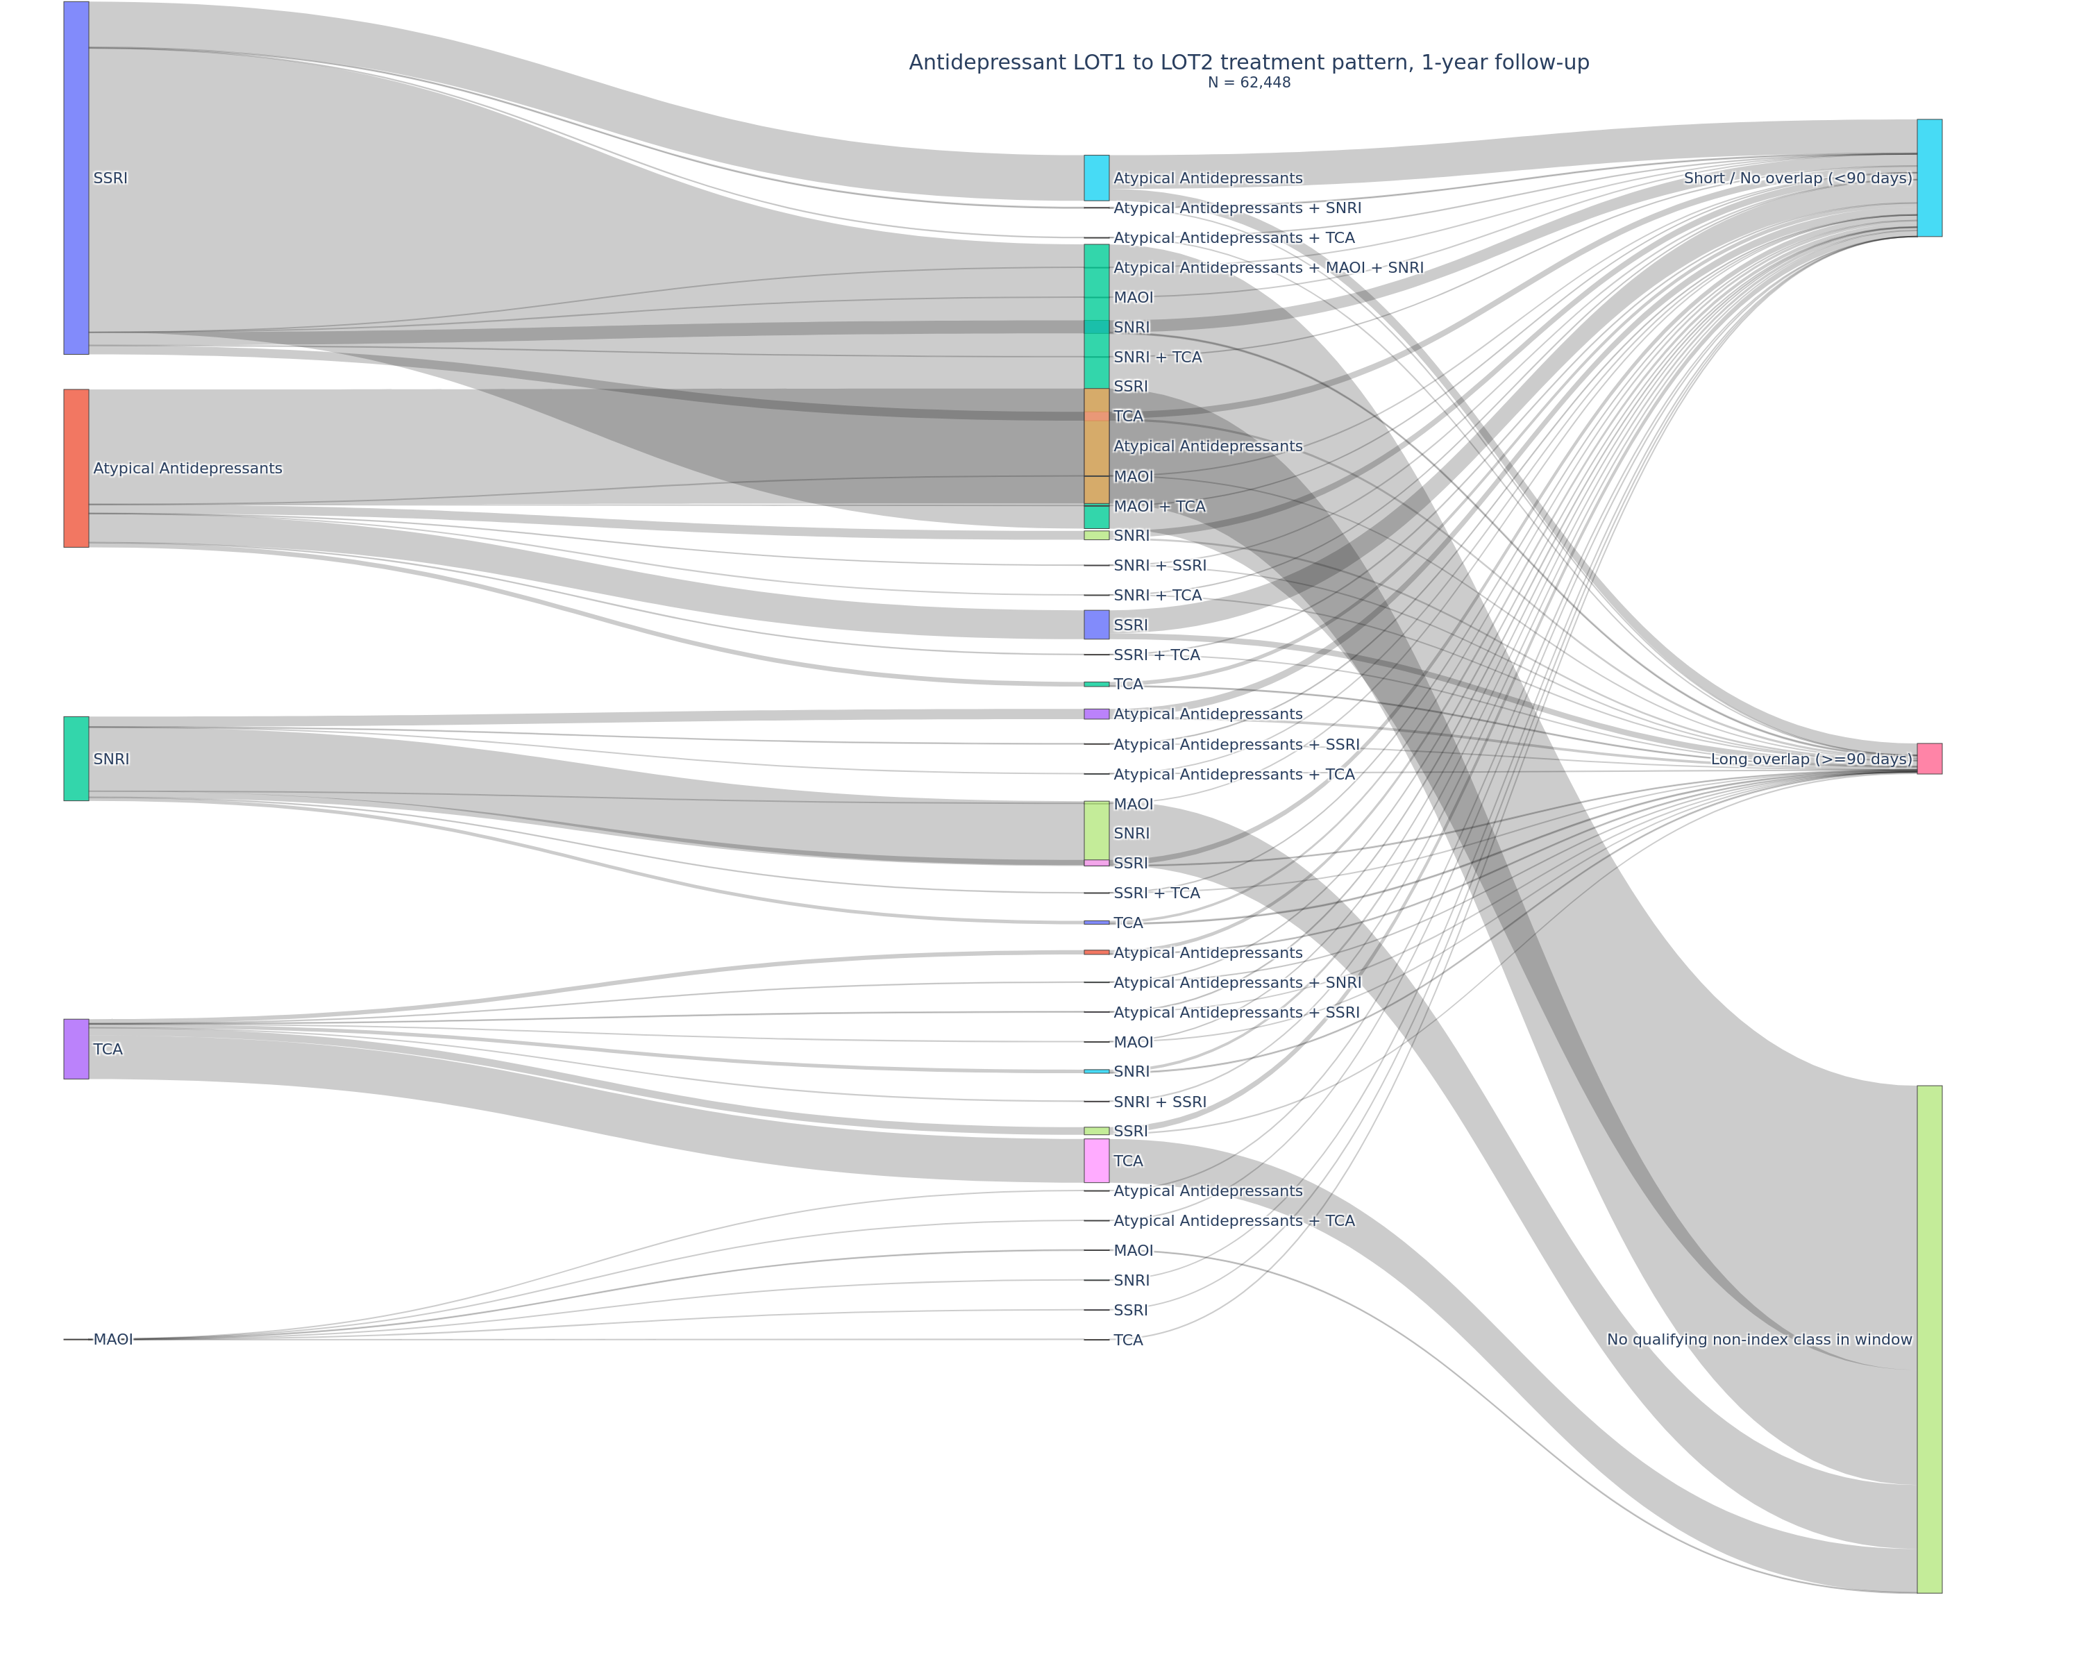
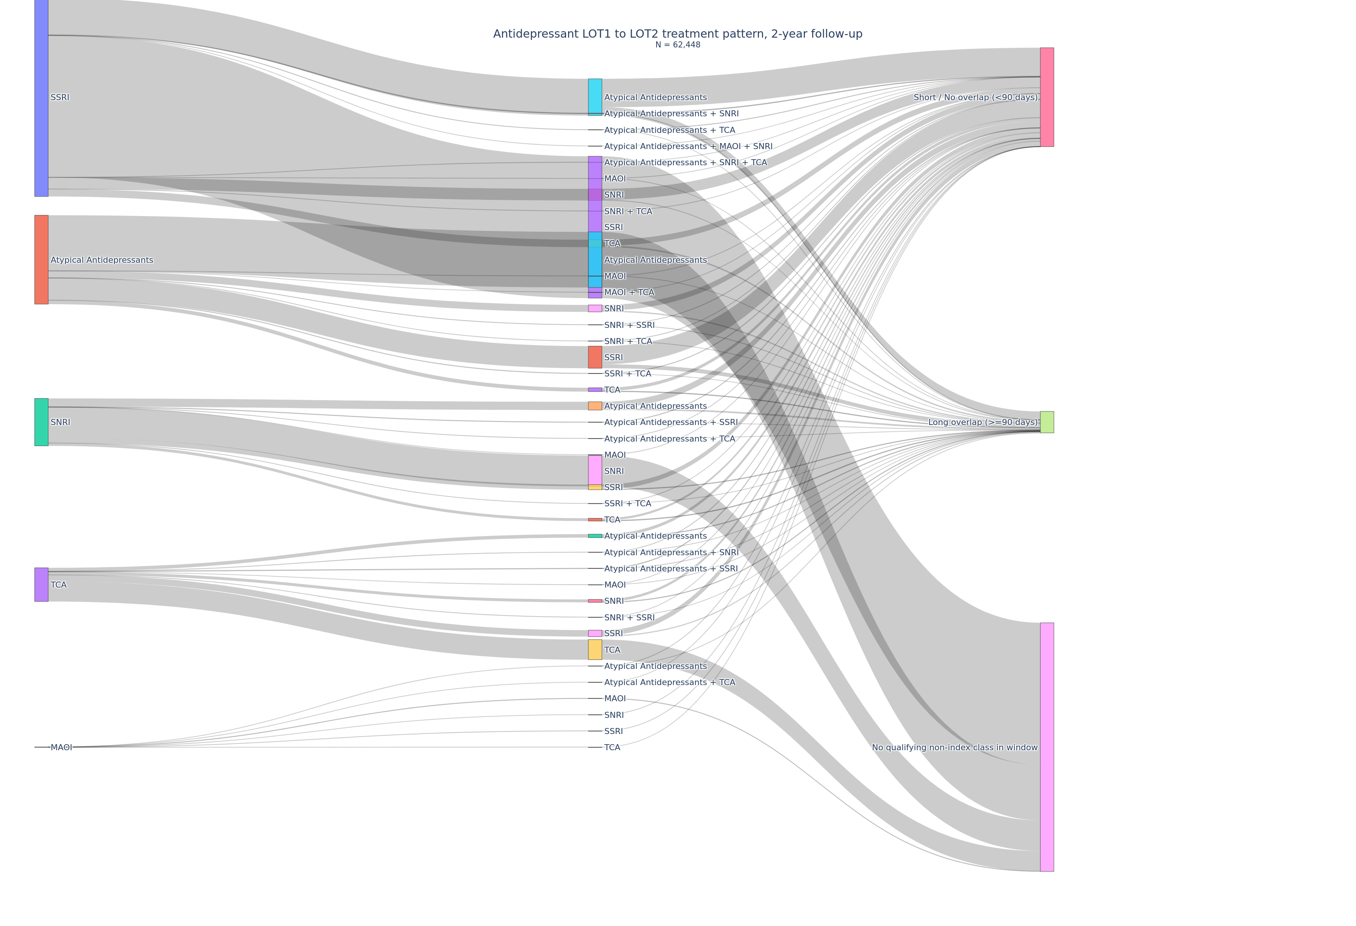
 |  |  |  |  |  |  |  |  |  | MAOI | TCA | Short / No overlap (<90 days) | 5 | 0.00%
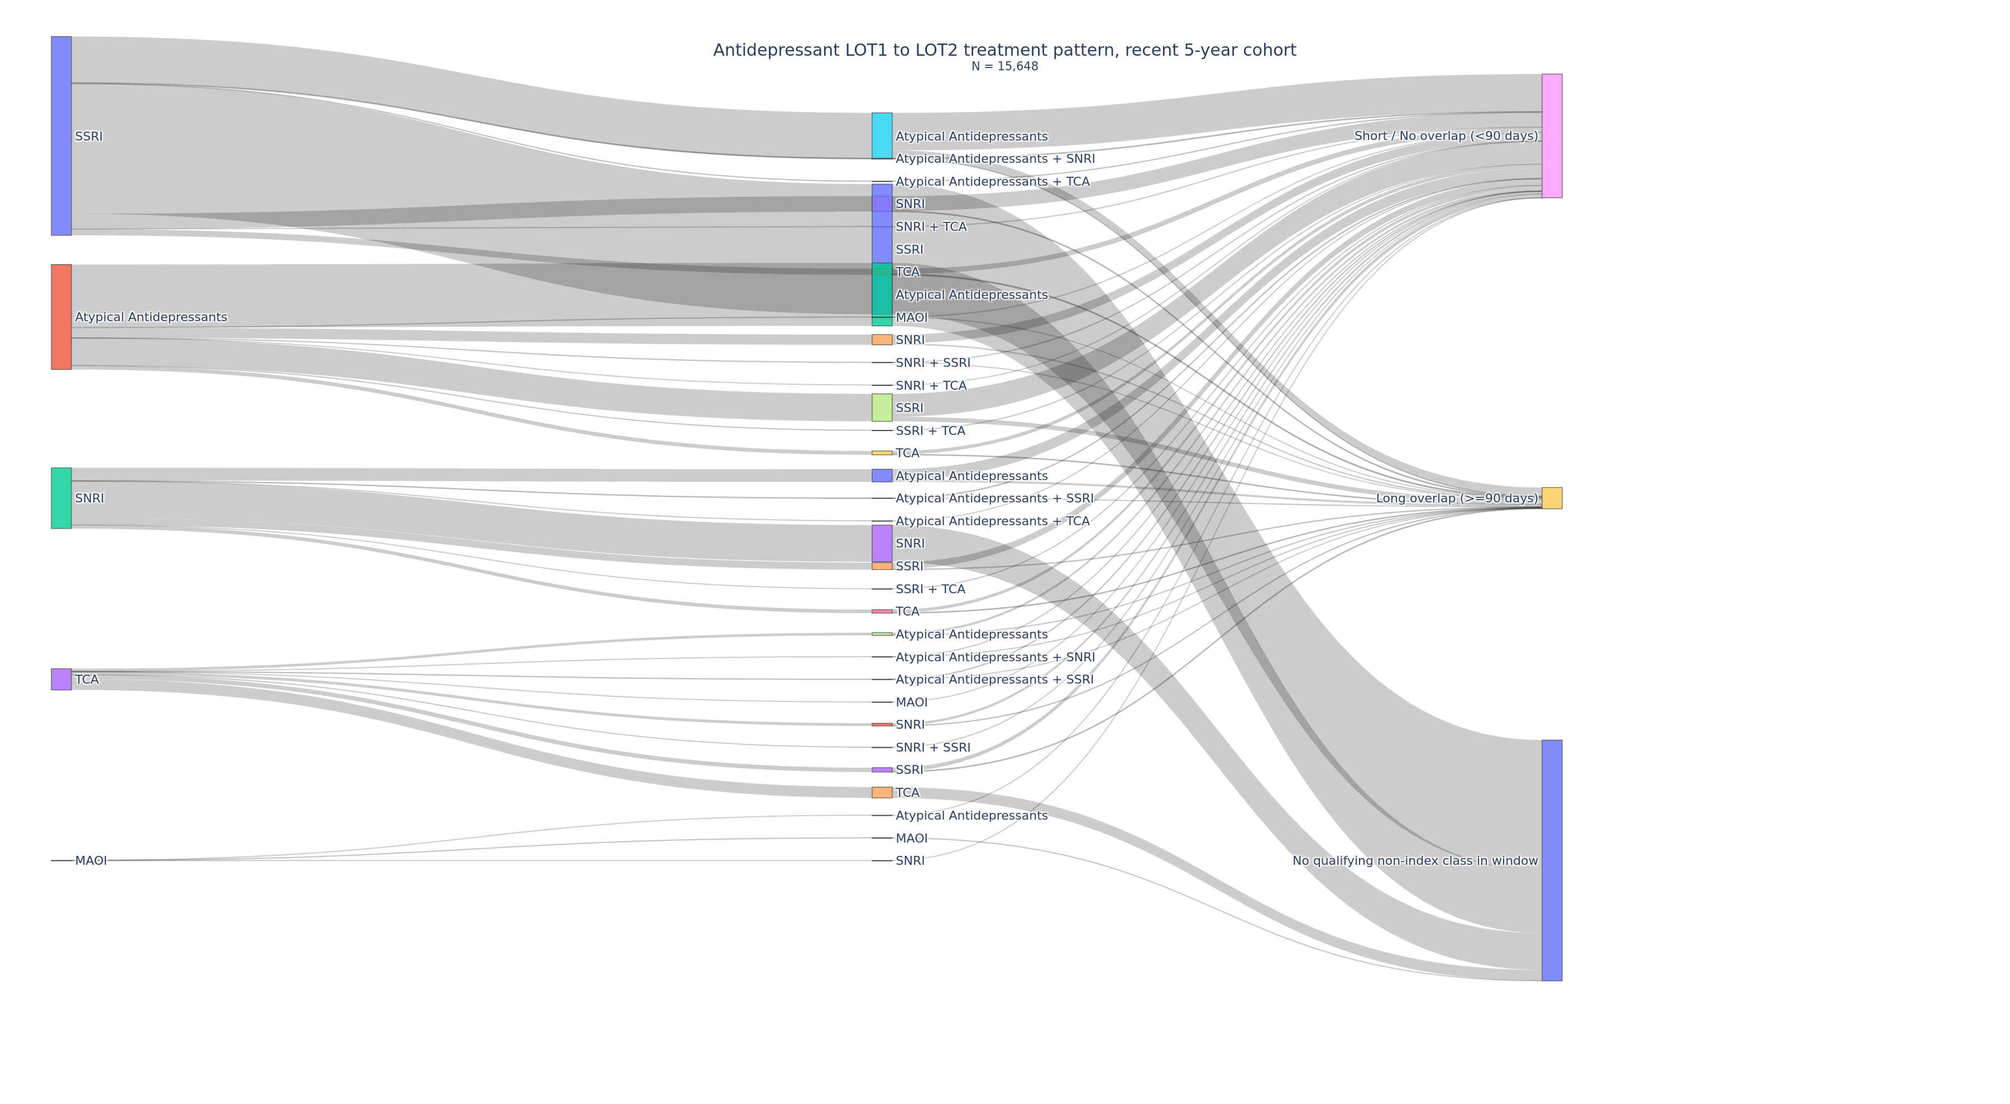
 |  |  |  |  |  |  |  |  |  | Total PT N |  |  | 62448 | 100.00%
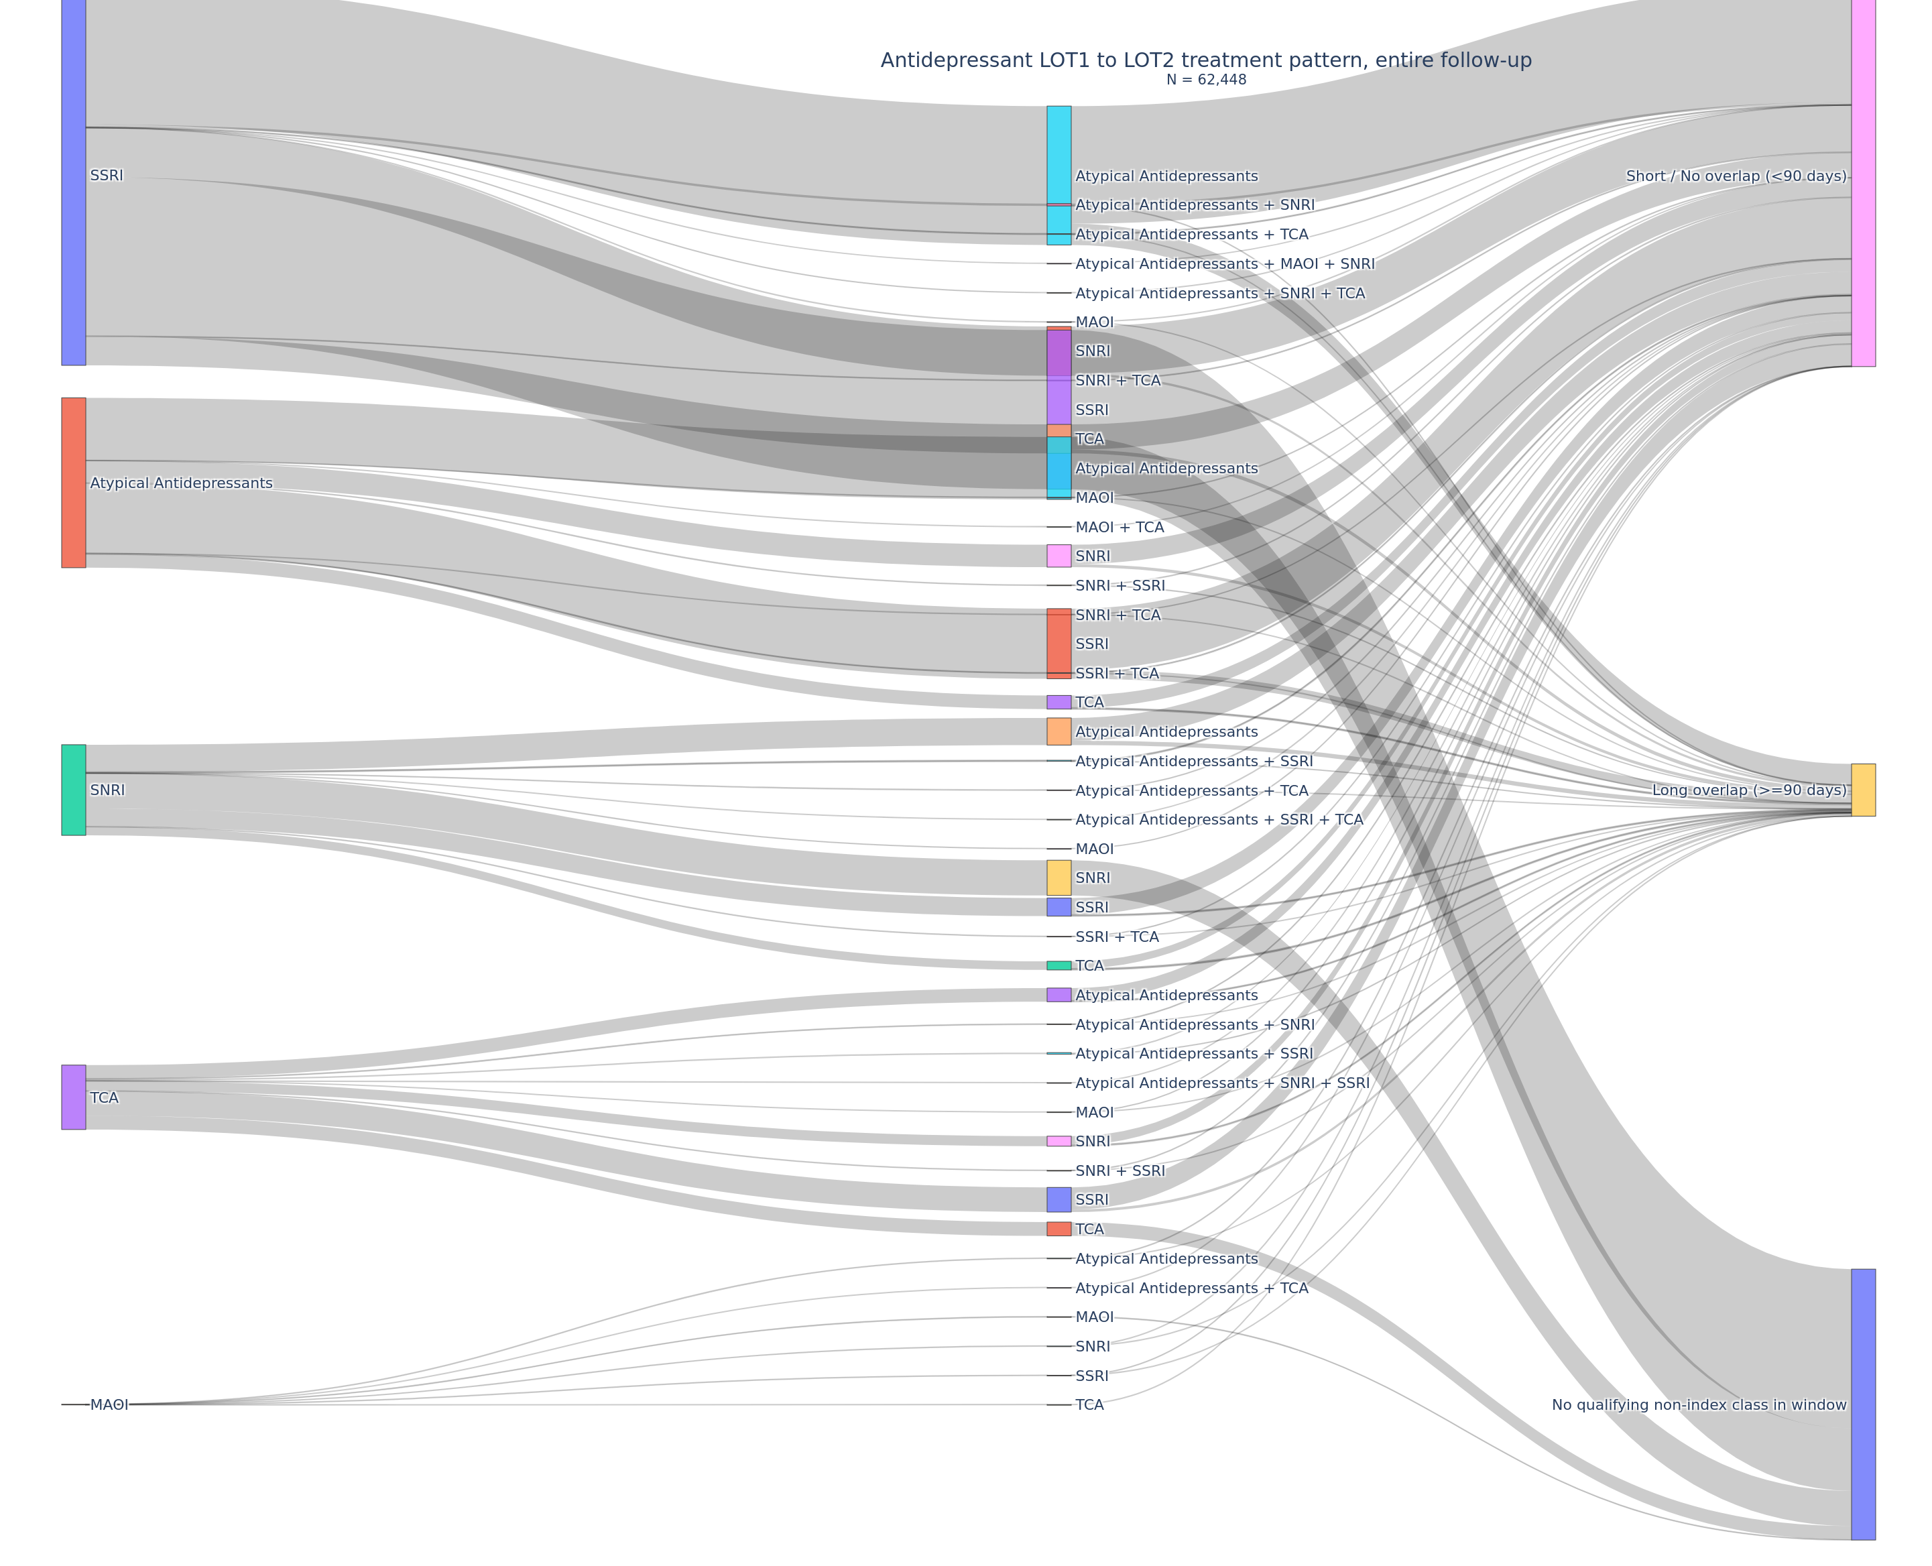

lot_summary_1y |  |  |  |  | lot_summary_2y |  |  |  |  | lot_summary_entire |  |  |  |  | lot_summary_recent5y
LOT1 | LOT2 | overlap_category | patient_n | pct | LOT1 | LOT2 | overlap_category | patient_n | pct | LOT1 | LOT2 | overlap_category | patient_n | pct | LOT1 | LOT2 | overlap_category | patient_n | pct
SSRI | Atypical Antidepressants | No overlap (0 days) | 1540 | 2.50% | SSRI | Atypical Antidepressants | No overlap (0 days) | 2883 | 4.60% | SSRI | Atypical Antidepressants | No overlap (0 days) | 8158 | 13.10% | SSRI | Atypical Antidepressants | No overlap (0 days) | 983 | 6.28%
SSRI | Atypical Antidepressants | Short overlap (1-29 days) | 909 | 1.50% | SSRI | Atypical Antidepressants | Short overlap (1-29 days) | 1031 | 1.70% | SSRI | Atypical Antidepressants | Short overlap (1-29 days) | 1201 | 1.90% | SSRI | Atypical Antidepressants | Short overlap (1-29 days) | 289 | 1.85%
SSRI | Atypical Antidepressants | Moderate overlap (30-89 days) | 765 | 1.20% | SSRI | Atypical Antidepressants | Moderate overlap (30-89 days) | 894 | 1.40% | SSRI | Atypical Antidepressants | Moderate overlap (30-89 days) | 1063 | 1.70% | SSRI | Atypical Antidepressants | Moderate overlap (30-89 days) | 245 | 1.57%
SSRI | Atypical Antidepressants | Long overlap (>=90 days) | 1125 | 1.80% | SSRI | Atypical Antidepressants | Long overlap (>=90 days) | 1420 | 2.30% | SSRI | Atypical Antidepressants | Long overlap (>=90 days) | 1876 | 3.00% | SSRI | Atypical Antidepressants | Long overlap (>=90 days) | 353 | 2.26%
SSRI | Atypical Antidepressants + SNRI | No overlap (0 days) | 30 | 0.00% | SSRI | Atypical Antidepressants + SNRI | No overlap (0 days) | 57 | 0.10% | SSRI | Atypical Antidepressants + SNRI | No overlap (0 days) | 149 | 0.20% | SSRI | Atypical Antidepressants + SNRI | No overlap (0 days) | 18 | 0.12%
SSRI | Atypical Antidepressants + SNRI | Short overlap (1-29 days) | 21 | 0.00% | SSRI | Atypical Antidepressants + SNRI | Short overlap (1-29 days) | 25 | 0.00% | SSRI | Atypical Antidepressants + SNRI | Short overlap (1-29 days) | 34 | 0.10% | SSRI | Atypical Antidepressants + SNRI | Short overlap (1-29 days) | 5 | 0.03%
SSRI | Atypical Antidepressants + SNRI | Moderate overlap (30-89 days) | 9 | 0.00% | SSRI | Atypical Antidepressants + SNRI | Moderate overlap (30-89 days) | 9 | 0.00% | SSRI | Atypical Antidepressants + SNRI | Moderate overlap (30-89 days) | 14 | 0.00% | SSRI | Atypical Antidepressants + SNRI | Moderate overlap (30-89 days) | 4 | 0.03%
SSRI | Atypical Antidepressants + SNRI | Long overlap (>=90 days) | 6 | 0.00% | SSRI | Atypical Antidepressants + SNRI | Long overlap (>=90 days) | 10 | 0.00% | SSRI | Atypical Antidepressants + SNRI | Long overlap (>=90 days) | 11 | 0.00% | SSRI | Atypical Antidepressants + SNRI | Long overlap (>=90 days) | 3 | 0.02%
SSRI | Atypical Antidepressants + SNRI + MAOI | Moderate overlap (30-89 days) | 1 | 0.00% | SSRI | Atypical Antidepressants + SNRI + MAOI | Moderate overlap (30-89 days) | 1 | 0.00% | SSRI | Atypical Antidepressants + SNRI + MAOI | Moderate overlap (30-89 days) | 1 | 0.00% | SSRI | Atypical Antidepressants + TCA | No overlap (0 days) | 6 | 0.04%
SSRI | Atypical Antidepressants + TCA | No overlap (0 days) | 12 | 0.00% | SSRI | Atypical Antidepressants + SNRI + TCA | No overlap (0 days) | 2 | 0.00% | SSRI | Atypical Antidepressants + SNRI + TCA | No overlap (0 days) | 3 | 0.00% | SSRI | Atypical Antidepressants + TCA | Moderate overlap (30-89 days) | 1 | 0.01%
SSRI | Atypical Antidepressants + TCA | Short overlap (1-29 days) | 3 | 0.00% | SSRI | Atypical Antidepressants + TCA | No overlap (0 days) | 20 | 0.00% | SSRI | Atypical Antidepressants + TCA | No overlap (0 days) | 49 | 0.10% | SSRI | SNRI | No overlap (0 days) | 368 | 2.35%
SSRI | Atypical Antidepressants + TCA | Moderate overlap (30-89 days) | 4 | 0.00% | SSRI | Atypical Antidepressants + TCA | Short overlap (1-29 days) | 3 | 0.00% | SSRI | Atypical Antidepressants + TCA | Short overlap (1-29 days) | 4 | 0.00% | SSRI | SNRI | Short overlap (1-29 days) | 184 | 1.18%
SSRI | Atypical Antidepressants + TCA | Long overlap (>=90 days) | 1 | 0.00% | SSRI | Atypical Antidepressants + TCA | Moderate overlap (30-89 days) | 4 | 0.00% | SSRI | Atypical Antidepressants + TCA | Moderate overlap (30-89 days) | 5 | 0.00% | SSRI | SNRI | Moderate overlap (30-89 days) | 45 | 0.29%
SSRI | MAOI | No overlap (0 days) | 2 | 0.00% | SSRI | Atypical Antidepressants + TCA | Long overlap (>=90 days) | 2 | 0.00% | SSRI | Atypical Antidepressants + TCA | Long overlap (>=90 days) | 3 | 0.00% | SSRI | SNRI | Long overlap (>=90 days) | 30 | 0.19%
SSRI | MAOI | Short overlap (1-29 days) | 1 | 0.00% | SSRI | MAOI | No overlap (0 days) | 2 | 0.00% | SSRI | MAOI | No overlap (0 days) | 7 | 0.00% | SSRI | SNRI + TCA | No overlap (0 days) | 1 | 0.01%
SSRI | MAOI | Moderate overlap (30-89 days) | 2 | 0.00% | SSRI | MAOI | Short overlap (1-29 days) | 1 | 0.00% | SSRI | MAOI | Short overlap (1-29 days) | 1 | 0.00% | SSRI | SSRI | No qualifying non-index class in window | 5278 | 33.73%
SSRI | SNRI | No overlap (0 days) | 546 | 0.90% | SSRI | MAOI | Moderate overlap (30-89 days) | 2 | 0.00% | SSRI | MAOI | Moderate overlap (30-89 days) | 2 | 0.00% | SSRI | TCA | No overlap (0 days) | 146 | 0.93%
SSRI | SNRI | Short overlap (1-29 days) | 438 | 0.70% | SSRI | MAOI | Long overlap (>=90 days) | 1 | 0.00% | SSRI | MAOI | Long overlap (>=90 days) | 1 | 0.00% | SSRI | TCA | Short overlap (1-29 days) | 31 | 0.20%
SSRI | SNRI | Moderate overlap (30-89 days) | 158 | 0.30% | SSRI | SNRI | No overlap (0 days) | 1040 | 1.70% | SSRI | SNRI | No overlap (0 days) | 3150 | 5.00% | SSRI | TCA | Moderate overlap (30-89 days) | 35 | 0.22%
SSRI | SNRI | Long overlap (>=90 days) | 101 | 0.20% | SSRI | SNRI | Short overlap (1-29 days) | 574 | 0.90% | SSRI | SNRI | Short overlap (1-29 days) | 733 | 1.20% | SSRI | TCA | Long overlap (>=90 days) | 36 | 0.23%
SSRI | SNRI + TCA | No overlap (0 days) | 3 | 0.00% | SSRI | SNRI | Moderate overlap (30-89 days) | 212 | 0.30% | SSRI | SNRI | Moderate overlap (30-89 days) | 274 | 0.40% | Atypical Antidepressants | Atypical Antidepressants | No qualifying non-index class in window | 2552 | 16.31%
SSRI | SNRI + TCA | Short overlap (1-29 days) | 1 | 0.00% | SSRI | SNRI | Long overlap (>=90 days) | 142 | 0.20% | SSRI | SNRI | Long overlap (>=90 days) | 198 | 0.30% | Atypical Antidepressants | MAOI | No overlap (0 days) | 2 | 0.01%
SSRI | SNRI + TCA | Moderate overlap (30-89 days) | 1 | 0.00% | SSRI | SNRI + TCA | No overlap (0 days) | 4 | 0.00% | SSRI | SNRI + TCA | No overlap (0 days) | 25 | 0.00% | Atypical Antidepressants | MAOI | Long overlap (>=90 days) | 1 | 0.01%
SSRI | SSRI | No qualifying non-index class in window | 27089 | 43.40% | SSRI | SNRI + TCA | Short overlap (1-29 days) | 2 | 0.00% | SSRI | SNRI + TCA | Short overlap (1-29 days) | 4 | 0.00% | Atypical Antidepressants | SNRI | No overlap (0 days) | 220 | 1.41%
SSRI | TCA | No overlap (0 days) | 364 | 0.60% | SSRI | SNRI + TCA | Moderate overlap (30-89 days) | 1 | 0.00% | SSRI | SNRI + TCA | Moderate overlap (30-89 days) | 1 | 0.00% | Atypical Antidepressants | SNRI | Short overlap (1-29 days) | 84 | 0.54%
SSRI | TCA | Short overlap (1-29 days) | 125 | 0.20% | SSRI | SSRI | No qualifying non-index class in window | 24013 | 38.50% | SSRI | SSRI | No qualifying non-index class in window | 14087 | 22.60% | Atypical Antidepressants | SNRI | Moderate overlap (30-89 days) | 50 | 0.32%
SSRI | TCA | Moderate overlap (30-89 days) | 150 | 0.20% | SSRI | TCA | No overlap (0 days) | 674 | 1.10% | SSRI | TCA | No overlap (0 days) | 1838 | 2.90% | Atypical Antidepressants | SNRI | Long overlap (>=90 days) | 63 | 0.40%
SSRI | TCA | Long overlap (>=90 days) | 212 | 0.30% | SSRI | TCA | Short overlap (1-29 days) | 158 | 0.30% | SSRI | TCA | Short overlap (1-29 days) | 184 | 0.30% | Atypical Antidepressants | SNRI + SSRI | No overlap (0 days) | 3 | 0.02%
Atypical Antidepressants | Atypical Antidepressants | No qualifying non-index class in window | 10955 | 17.50% | SSRI | TCA | Moderate overlap (30-89 days) | 169 | 0.30% | SSRI | TCA | Moderate overlap (30-89 days) | 209 | 0.30% | Atypical Antidepressants | SNRI + SSRI | Short overlap (1-29 days) | 1 | 0.01%
Atypical Antidepressants | MAOI | No overlap (0 days) | 2 | 0.00% | SSRI | TCA | Long overlap (>=90 days) | 263 | 0.40% | SSRI | TCA | Long overlap (>=90 days) | 334 | 0.50% | Atypical Antidepressants | SNRI + SSRI | Moderate overlap (30-89 days) | 2 | 0.01%
Atypical Antidepressants | MAOI | Short overlap (1-29 days) | 1 | 0.00% | Atypical Antidepressants | Atypical Antidepressants | No qualifying non-index class in window | 9411 | 15.10% | Atypical Antidepressants | Atypical Antidepressants | No qualifying non-index class in window | 5541 | 8.90% | Atypical Antidepressants | SNRI + SSRI | Long overlap (>=90 days) | 1 | 0.01%
Atypical Antidepressants | MAOI | Long overlap (>=90 days) | 1 | 0.00% | Atypical Antidepressants | MAOI | No overlap (0 days) | 2 | 0.00% | Atypical Antidepressants | MAOI | No overlap (0 days) | 12 | 0.00% | Atypical Antidepressants | SNRI + TCA | Moderate overlap (30-89 days) | 1 | 0.01%
Atypical Antidepressants | SNRI | No overlap (0 days) | 320 | 0.50% | Atypical Antidepressants | MAOI | Short overlap (1-29 days) | 3 | 0.00% | Atypical Antidepressants | MAOI | Short overlap (1-29 days) | 3 | 0.00% | Atypical Antidepressants | SSRI | No overlap (0 days) | 567 | 3.62%
Atypical Antidepressants | SNRI | Short overlap (1-29 days) | 199 | 0.30% | Atypical Antidepressants | MAOI | Long overlap (>=90 days) | 2 | 0.00% | Atypical Antidepressants | MAOI | Long overlap (>=90 days) | 2 | 0.00% | Atypical Antidepressants | SSRI | Short overlap (1-29 days) | 213 | 1.36%
Atypical Antidepressants | SNRI | Moderate overlap (30-89 days) | 130 | 0.20% | Atypical Antidepressants | SNRI | No overlap (0 days) | 587 | 0.90% | Atypical Antidepressants | SNRI | No overlap (0 days) | 1303 | 2.10% | Atypical Antidepressants | SSRI | Moderate overlap (30-89 days) | 149 | 0.95%
Atypical Antidepressants | SNRI | Long overlap (>=90 days) | 195 | 0.30% | Atypical Antidepressants | SNRI | Short overlap (1-29 days) | 225 | 0.40% | Atypical Antidepressants | SNRI | Short overlap (1-29 days) | 246 | 0.40% | Atypical Antidepressants | SSRI | Long overlap (>=90 days) | 186 | 1.19%
Atypical Antidepressants | SNRI + TCA | No overlap (0 days) | 3 | 0.00% | Atypical Antidepressants | SNRI | Moderate overlap (30-89 days) | 143 | 0.20% | Atypical Antidepressants | SNRI | Moderate overlap (30-89 days) | 167 | 0.30% | Atypical Antidepressants | SSRI + TCA | No overlap (0 days) | 2 | 0.01%
Atypical Antidepressants | SNRI + TCA | Short overlap (1-29 days) | 3 | 0.00% | Atypical Antidepressants | SNRI | Long overlap (>=90 days) | 224 | 0.40% | Atypical Antidepressants | SNRI | Long overlap (>=90 days) | 263 | 0.40% | Atypical Antidepressants | SSRI + TCA | Short overlap (1-29 days) | 1 | 0.01%
Atypical Antidepressants | SNRI + TCA | Moderate overlap (30-89 days) | 2 | 0.00% | Atypical Antidepressants | SNRI + TCA | No overlap (0 days) | 5 | 0.00% | Atypical Antidepressants | SNRI + TCA | No overlap (0 days) | 6 | 0.00% | Atypical Antidepressants | SSRI + TCA | Moderate overlap (30-89 days) | 2 | 0.01%
Atypical Antidepressants | SNRI + TCA | Long overlap (>=90 days) | 1 | 0.00% | Atypical Antidepressants | SNRI + TCA | Short overlap (1-29 days) | 3 | 0.00% | Atypical Antidepressants | SNRI + TCA | Short overlap (1-29 days) | 3 | 0.00% | Atypical Antidepressants | TCA | No overlap (0 days) | 97 | 0.62%
Atypical Antidepressants | SSRI | No overlap (0 days) | 1129 | 1.80% | Atypical Antidepressants | SNRI + TCA | Moderate overlap (30-89 days) | 2 | 0.00% | Atypical Antidepressants | SNRI + TCA | Moderate overlap (30-89 days) | 2 | 0.00% | Atypical Antidepressants | TCA | Short overlap (1-29 days) | 20 | 0.13%
Atypical Antidepressants | SSRI | Short overlap (1-29 days) | 607 | 1.00% | Atypical Antidepressants | SNRI + TCA | Long overlap (>=90 days) | 1 | 0.00% | Atypical Antidepressants | SNRI + TCA | Long overlap (>=90 days) | 1 | 0.00% | Atypical Antidepressants | TCA | Moderate overlap (30-89 days) | 19 | 0.12%
Atypical Antidepressants | SSRI | Moderate overlap (30-89 days) | 460 | 0.70% | Atypical Antidepressants | SSRI | No overlap (0 days) | 1909 | 3.10% | Atypical Antidepressants | SSRI | No overlap (0 days) | 4129 | 6.60% | Atypical Antidepressants | TCA | Long overlap (>=90 days) | 21 | 0.13%
Atypical Antidepressants | SSRI | Long overlap (>=90 days) | 557 | 0.90% | Atypical Antidepressants | SSRI | Short overlap (1-29 days) | 656 | 1.10% | Atypical Antidepressants | SSRI | Short overlap (1-29 days) | 721 | 1.20% | SNRI | Atypical Antidepressants | No overlap (0 days) | 285 | 1.82%
Atypical Antidepressants | SSRI + SNRI | No overlap (0 days) | 5 | 0.00% | Atypical Antidepressants | SSRI | Moderate overlap (30-89 days) | 510 | 0.80% | Atypical Antidepressants | SSRI | Moderate overlap (30-89 days) | 563 | 0.90% | SNRI | Atypical Antidepressants | Short overlap (1-29 days) | 73 | 0.47%
Atypical Antidepressants | SSRI + SNRI | Short overlap (1-29 days) | 3 | 0.00% | Atypical Antidepressants | SSRI | Long overlap (>=90 days) | 665 | 1.10% | Atypical Antidepressants | SSRI | Long overlap (>=90 days) | 795 | 1.30% | SNRI | Atypical Antidepressants | Moderate overlap (30-89 days) | 73 | 0.47%
Atypical Antidepressants | SSRI + SNRI | Moderate overlap (30-89 days) | 3 | 0.00% | Atypical Antidepressants | SSRI + SNRI | No overlap (0 days) | 8 | 0.00% | Atypical Antidepressants | SSRI + SNRI | No overlap (0 days) | 15 | 0.00% | SNRI | Atypical Antidepressants | Long overlap (>=90 days) | 85 | 0.54%
Atypical Antidepressants | SSRI + SNRI | Long overlap (>=90 days) | 2 | 0.00% | Atypical Antidepressants | SSRI + SNRI | Short overlap (1-29 days) | 3 | 0.00% | Atypical Antidepressants | SSRI + SNRI | Short overlap (1-29 days) | 3 | 0.00% | SNRI | Atypical Antidepressants + SSRI | No overlap (0 days) | 13 | 0.08%
Atypical Antidepressants | SSRI + TCA | No overlap (0 days) | 13 | 0.00% | Atypical Antidepressants | SSRI + SNRI | Moderate overlap (30-89 days) | 4 | 0.00% | Atypical Antidepressants | SSRI + SNRI | Moderate overlap (30-89 days) | 5 | 0.00% | SNRI | Atypical Antidepressants + SSRI | Short overlap (1-29 days) | 2 | 0.01%
Atypical Antidepressants | SSRI + TCA | Short overlap (1-29 days) | 7 | 0.00% | Atypical Antidepressants | SSRI + SNRI | Long overlap (>=90 days) | 2 | 0.00% | Atypical Antidepressants | SSRI + SNRI | Long overlap (>=90 days) | 2 | 0.00% | SNRI | Atypical Antidepressants + SSRI | Moderate overlap (30-89 days) | 2 | 0.01%
Atypical Antidepressants | SSRI + TCA | Moderate overlap (30-89 days) | 5 | 0.00% | Atypical Antidepressants | SSRI + TCA | No overlap (0 days) | 22 | 0.00% | Atypical Antidepressants | SSRI + TCA | No overlap (0 days) | 38 | 0.10% | SNRI | Atypical Antidepressants + SSRI | Long overlap (>=90 days) | 1 | 0.01%
Atypical Antidepressants | SSRI + TCA | Long overlap (>=90 days) | 3 | 0.00% | Atypical Antidepressants | SSRI + TCA | Short overlap (1-29 days) | 7 | 0.00% | Atypical Antidepressants | SSRI + TCA | Short overlap (1-29 days) | 7 | 0.00% | SNRI | Atypical Antidepressants + TCA | No overlap (0 days) | 3 | 0.02%
Atypical Antidepressants | TCA | No overlap (0 days) | 224 | 0.40% | Atypical Antidepressants | SSRI + TCA | Moderate overlap (30-89 days) | 5 | 0.00% | Atypical Antidepressants | SSRI + TCA | Moderate overlap (30-89 days) | 5 | 0.00% | SNRI | Atypical Antidepressants + TCA | Moderate overlap (30-89 days) | 1 | 0.01%
Atypical Antidepressants | TCA | Short overlap (1-29 days) | 93 | 0.10% | Atypical Antidepressants | SSRI + TCA | Long overlap (>=90 days) | 4 | 0.00% | Atypical Antidepressants | SSRI + TCA | Long overlap (>=90 days) | 5 | 0.00% | SNRI | SNRI | No qualifying non-index class in window | 1491 | 9.53%
Atypical Antidepressants | TCA | Moderate overlap (30-89 days) | 56 | 0.10% | Atypical Antidepressants | TCA | No overlap (0 days) | 384 | 0.60% | Atypical Antidepressants | TCA | No overlap (0 days) | 908 | 1.50% | SNRI | SSRI | No overlap (0 days) | 172 | 1.10%
Atypical Antidepressants | TCA | Long overlap (>=90 days) | 64 | 0.10% | Atypical Antidepressants | TCA | Short overlap (1-29 days) | 102 | 0.20% | Atypical Antidepressants | TCA | Short overlap (1-29 days) | 110 | 0.20% | SNRI | SSRI | Short overlap (1-29 days) | 81 | 0.52%
Atypical Antidepressants | TCA + MAOI | No overlap (0 days) | 1 | 0.00% | Atypical Antidepressants | TCA | Moderate overlap (30-89 days) | 70 | 0.10% | Atypical Antidepressants | TCA | Moderate overlap (30-89 days) | 79 | 0.10% | SNRI | SSRI | Moderate overlap (30-89 days) | 17 | 0.11%
SNRI | Atypical Antidepressants | No overlap (0 days) | 381 | 0.60% | Atypical Antidepressants | TCA | Long overlap (>=90 days) | 84 | 0.10% | Atypical Antidepressants | TCA | Long overlap (>=90 days) | 109 | 0.20% | SNRI | SSRI | Long overlap (>=90 days) | 15 | 0.10%
SNRI | Atypical Antidepressants | Short overlap (1-29 days) | 192 | 0.30% | Atypical Antidepressants | TCA + MAOI | No overlap (0 days) | 1 | 0.00% | Atypical Antidepressants | TCA + MAOI | No overlap (0 days) | 1 | 0.00% | SNRI | SSRI + TCA | No overlap (0 days) | 2 | 0.01%
SNRI | Atypical Antidepressants | Moderate overlap (30-89 days) | 155 | 0.20% | SNRI | Atypical Antidepressants | No overlap (0 days) | 707 | 1.10% | SNRI | Atypical Antidepressants | No overlap (0 days) | 1523 | 2.40% | SNRI | TCA | No overlap (0 days) | 84 | 0.54%
SNRI | Atypical Antidepressants | Long overlap (>=90 days) | 237 | 0.40% | SNRI | Atypical Antidepressants | Short overlap (1-29 days) | 222 | 0.40% | SNRI | Atypical Antidepressants | Short overlap (1-29 days) | 264 | 0.40% | SNRI | TCA | Short overlap (1-29 days) | 24 | 0.15%
SNRI | Atypical Antidepressants + TCA | No overlap (0 days) | 1 | 0.00% | SNRI | Atypical Antidepressants | Moderate overlap (30-89 days) | 180 | 0.30% | SNRI | Atypical Antidepressants | Moderate overlap (30-89 days) | 228 | 0.40% | SNRI | TCA | Moderate overlap (30-89 days) | 17 | 0.11%
SNRI | Atypical Antidepressants + TCA | Short overlap (1-29 days) | 2 | 0.00% | SNRI | Atypical Antidepressants | Long overlap (>=90 days) | 295 | 0.50% | SNRI | Atypical Antidepressants | Long overlap (>=90 days) | 387 | 0.60% | SNRI | TCA | Long overlap (>=90 days) | 21 | 0.13%
SNRI | Atypical Antidepressants + TCA | Long overlap (>=90 days) | 3 | 0.00% | SNRI | Atypical Antidepressants + TCA | No overlap (0 days) | 4 | 0.00% | SNRI | Atypical Antidepressants + TCA | No overlap (0 days) | 13 | 0.00% | TCA | Atypical Antidepressants | No overlap (0 days) | 77 | 0.49%
SNRI | MAOI | No overlap (0 days) | 1 | 0.00% | SNRI | Atypical Antidepressants + TCA | Short overlap (1-29 days) | 2 | 0.00% | SNRI | Atypical Antidepressants + TCA | Short overlap (1-29 days) | 3 | 0.00% | TCA | Atypical Antidepressants | Short overlap (1-29 days) | 13 | 0.08%
SNRI | SNRI | No qualifying non-index class in window | 6101 | 9.80% | SNRI | Atypical Antidepressants + TCA | Long overlap (>=90 days) | 3 | 0.00% | SNRI | Atypical Antidepressants + TCA | Moderate overlap (30-89 days) | 2 | 0.00% | TCA | Atypical Antidepressants | Moderate overlap (30-89 days) | 10 | 0.06%
SNRI | SSRI | No overlap (0 days) | 263 | 0.40% | SNRI | MAOI | No overlap (0 days) | 1 | 0.00% | SNRI | Atypical Antidepressants + TCA | Long overlap (>=90 days) | 3 | 0.00% | TCA | Atypical Antidepressants | Long overlap (>=90 days) | 7 | 0.04%
SNRI | SSRI | Short overlap (1-29 days) | 186 | 0.30% | SNRI | MAOI | Short overlap (1-29 days) | 2 | 0.00% | SNRI | MAOI | No overlap (0 days) | 5 | 0.00% | TCA | Atypical Antidepressants + SNRI | No overlap (0 days) | 1 | 0.01%
SNRI | SSRI | Moderate overlap (30-89 days) | 75 | 0.10% | SNRI | SNRI | No qualifying non-index class in window | 5205 | 8.30% | SNRI | MAOI | Short overlap (1-29 days) | 2 | 0.00% | TCA | Atypical Antidepressants + SNRI | Moderate overlap (30-89 days) | 1 | 0.01%
SNRI | SSRI | Long overlap (>=90 days) | 58 | 0.10% | SNRI | SSRI | No overlap (0 days) | 489 | 0.80% | SNRI | SNRI | No qualifying non-index class in window | 3117 | 5.00% | TCA | Atypical Antidepressants + SNRI | Long overlap (>=90 days) | 2 | 0.01%
SNRI | SSRI + Atypical Antidepressants | No overlap (0 days) | 14 | 0.00% | SNRI | SSRI | Short overlap (1-29 days) | 215 | 0.30% | SNRI | SSRI | No overlap (0 days) | 1132 | 1.80% | TCA | Atypical Antidepressants + SSRI | No overlap (0 days) | 9 | 0.06%
SNRI | SSRI + Atypical Antidepressants | Short overlap (1-29 days) | 10 | 0.00% | SNRI | SSRI | Moderate overlap (30-89 days) | 89 | 0.10% | SNRI | SSRI | Short overlap (1-29 days) | 256 | 0.40% | TCA | Atypical Antidepressants + SSRI | Short overlap (1-29 days) | 1 | 0.01%
SNRI | SSRI + Atypical Antidepressants | Moderate overlap (30-89 days) | 5 | 0.00% | SNRI | SSRI | Long overlap (>=90 days) | 79 | 0.10% | SNRI | SSRI | Moderate overlap (30-89 days) | 109 | 0.20% | TCA | Atypical Antidepressants + SSRI | Moderate overlap (30-89 days) | 1 | 0.01%
SNRI | SSRI + Atypical Antidepressants | Long overlap (>=90 days) | 2 | 0.00% | SNRI | SSRI + Atypical Antidepressants | No overlap (0 days) | 25 | 0.00% | SNRI | SSRI | Long overlap (>=90 days) | 103 | 0.20% | TCA | Atypical Antidepressants + SSRI | Long overlap (>=90 days) | 1 | 0.01%
SNRI | SSRI + TCA | No overlap (0 days) | 7 | 0.00% | SNRI | SSRI + Atypical Antidepressants | Short overlap (1-29 days) | 12 | 0.00% | SNRI | SSRI + Atypical Antidepressants | No overlap (0 days) | 66 | 0.10% | TCA | MAOI | No overlap (0 days) | 1 | 0.01%
SNRI | SSRI + TCA | Short overlap (1-29 days) | 1 | 0.00% | SNRI | SSRI + Atypical Antidepressants | Moderate overlap (30-89 days) | 7 | 0.00% | SNRI | SSRI + Atypical Antidepressants | Short overlap (1-29 days) | 16 | 0.00% | TCA | SNRI | No overlap (0 days) | 64 | 0.41%
SNRI | SSRI + TCA | Long overlap (>=90 days) | 1 | 0.00% | SNRI | SSRI + Atypical Antidepressants | Long overlap (>=90 days) | 3 | 0.00% | SNRI | SSRI + Atypical Antidepressants | Moderate overlap (30-89 days) | 7 | 0.00% | TCA | SNRI | Short overlap (1-29 days) | 25 | 0.16%
SNRI | TCA | No overlap (0 days) | 133 | 0.20% | SNRI | SSRI + TCA | No overlap (0 days) | 9 | 0.00% | SNRI | SSRI + Atypical Antidepressants | Long overlap (>=90 days) | 4 | 0.00% | TCA | SNRI | Moderate overlap (30-89 days) | 12 | 0.08%
SNRI | TCA | Short overlap (1-29 days) | 73 | 0.10% | SNRI | SSRI + TCA | Short overlap (1-29 days) | 1 | 0.00% | SNRI | SSRI + Atypical Antidepressants + TCA | No overlap (0 days) | 1 | 0.00% | TCA | SNRI | Long overlap (>=90 days) | 11 | 0.07%
SNRI | TCA | Moderate overlap (30-89 days) | 46 | 0.10% | SNRI | SSRI + TCA | Moderate overlap (30-89 days) | 1 | 0.00% | SNRI | SSRI + TCA | No overlap (0 days) | 12 | 0.00% | TCA | SNRI + SSRI | No overlap (0 days) | 3 | 0.02%
SNRI | TCA | Long overlap (>=90 days) | 76 | 0.10% | SNRI | SSRI + TCA | Long overlap (>=90 days) | 1 | 0.00% | SNRI | SSRI + TCA | Short overlap (1-29 days) | 2 | 0.00% | TCA | SSRI | No overlap (0 days) | 113 | 0.72%
TCA | Atypical Antidepressants | No overlap (0 days) | 211 | 0.30% | SNRI | TCA | No overlap (0 days) | 240 | 0.40% | SNRI | SSRI + TCA | Moderate overlap (30-89 days) | 1 | 0.00% | TCA | SSRI | Short overlap (1-29 days) | 26 | 0.17%
TCA | Atypical Antidepressants | Short overlap (1-29 days) | 91 | 0.10% | SNRI | TCA | Short overlap (1-29 days) | 81 | 0.10% | SNRI | SSRI + TCA | Long overlap (>=90 days) | 1 | 0.00% | TCA | SSRI | Moderate overlap (30-89 days) | 16 | 0.10%
TCA | Atypical Antidepressants | Moderate overlap (30-89 days) | 49 | 0.10% | SNRI | TCA | Moderate overlap (30-89 days) | 57 | 0.10% | SNRI | TCA | No overlap (0 days) | 497 | 0.80% | TCA | SSRI | Long overlap (>=90 days) | 25 | 0.16%
TCA | Atypical Antidepressants | Long overlap (>=90 days) | 59 | 0.10% | SNRI | TCA | Long overlap (>=90 days) | 93 | 0.10% | SNRI | TCA | Short overlap (1-29 days) | 91 | 0.10% | TCA | TCA | No qualifying non-index class in window | 441 | 2.82%
TCA | Atypical Antidepressants + SNRI | No overlap (0 days) | 6 | 0.00% | TCA | Atypical Antidepressants | No overlap (0 days) | 363 | 0.60% | SNRI | TCA | Moderate overlap (30-89 days) | 67 | 0.10% | MAOI | Atypical Antidepressants | Moderate overlap (30-89 days) | 1 | 0.01%
TCA | Atypical Antidepressants + SNRI | Short overlap (1-29 days) | 4 | 0.00% | TCA | Atypical Antidepressants | Short overlap (1-29 days) | 104 | 0.20% | SNRI | TCA | Long overlap (>=90 days) | 111 | 0.20% | MAOI | MAOI | No qualifying non-index class in window | 6 | 0.04%
TCA | Atypical Antidepressants + SNRI | Moderate overlap (30-89 days) | 3 | 0.00% | TCA | Atypical Antidepressants | Moderate overlap (30-89 days) | 54 | 0.10% | TCA | Atypical Antidepressants | No overlap (0 days) | 943 | 1.50% | MAOI | SNRI | No overlap (0 days) | 1 | 0.01%
TCA | Atypical Antidepressants + SNRI | Long overlap (>=90 days) | 3 | 0.00% | TCA | Atypical Antidepressants | Long overlap (>=90 days) | 70 | 0.10% | TCA | Atypical Antidepressants | Short overlap (1-29 days) | 114 | 0.20%
TCA | MAOI | No overlap (0 days) | 2 | 0.00% | TCA | Atypical Antidepressants + SNRI | No overlap (0 days) | 11 | 0.00% | TCA | Atypical Antidepressants | Moderate overlap (30-89 days) | 61 | 0.10%
TCA | MAOI | Long overlap (>=90 days) | 1 | 0.00% | TCA | Atypical Antidepressants + SNRI | Short overlap (1-29 days) | 5 | 0.00% | TCA | Atypical Antidepressants | Long overlap (>=90 days) | 91 | 0.10%
TCA | SNRI | No overlap (0 days) | 159 | 0.30% | TCA | Atypical Antidepressants + SNRI | Moderate overlap (30-89 days) | 3 | 0.00% | TCA | Atypical Antidepressants + SNRI | No overlap (0 days) | 24 | 0.00%
TCA | SNRI | Short overlap (1-29 days) | 78 | 0.10% | TCA | Atypical Antidepressants + SNRI | Long overlap (>=90 days) | 3 | 0.00% | TCA | Atypical Antidepressants + SNRI | Short overlap (1-29 days) | 7 | 0.00%
TCA | SNRI | Moderate overlap (30-89 days) | 48 | 0.10% | TCA | MAOI | No overlap (0 days) | 3 | 0.00% | TCA | Atypical Antidepressants + SNRI | Moderate overlap (30-89 days) | 4 | 0.00%
TCA | SNRI | Long overlap (>=90 days) | 55 | 0.10% | TCA | MAOI | Long overlap (>=90 days) | 2 | 0.00% | TCA | Atypical Antidepressants + SNRI | Long overlap (>=90 days) | 3 | 0.00%
TCA | SSRI | No overlap (0 days) | 340 | 0.50% | TCA | SNRI | No overlap (0 days) | 292 | 0.50% | TCA | MAOI | No overlap (0 days) | 4 | 0.00%
TCA | SSRI | Short overlap (1-29 days) | 125 | 0.20% | TCA | SNRI | Short overlap (1-29 days) | 88 | 0.10% | TCA | MAOI | Long overlap (>=90 days) | 2 | 0.00%
TCA | SSRI | Moderate overlap (30-89 days) | 107 | 0.20% | TCA | SNRI | Moderate overlap (30-89 days) | 51 | 0.10% | TCA | SNRI | No overlap (0 days) | 641 | 1.00%
TCA | SSRI | Long overlap (>=90 days) | 147 | 0.20% | TCA | SNRI | Long overlap (>=90 days) | 69 | 0.10% | TCA | SNRI | Short overlap (1-29 days) | 109 | 0.20%
TCA | SSRI + Atypical Antidepressants | No overlap (0 days) | 21 | 0.00% | TCA | SSRI | No overlap (0 days) | 641 | 1.00% | TCA | SNRI | Moderate overlap (30-89 days) | 54 | 0.10%
TCA | SSRI + Atypical Antidepressants | Short overlap (1-29 days) | 9 | 0.00% | TCA | SSRI | Short overlap (1-29 days) | 147 | 0.20% | TCA | SNRI | Long overlap (>=90 days) | 81 | 0.10%
TCA | SSRI + Atypical Antidepressants | Moderate overlap (30-89 days) | 6 | 0.00% | TCA | SSRI | Moderate overlap (30-89 days) | 120 | 0.20% | TCA | SSRI | No overlap (0 days) | 1651 | 2.60%
TCA | SSRI + Atypical Antidepressants | Long overlap (>=90 days) | 4 | 0.00% | TCA | SSRI | Long overlap (>=90 days) | 185 | 0.30% | TCA | SSRI | Short overlap (1-29 days) | 170 | 0.30%
TCA | SSRI + SNRI | No overlap (0 days) | 4 | 0.00% | TCA | SSRI + Atypical Antidepressants | No overlap (0 days) | 48 | 0.10% | TCA | SSRI | Moderate overlap (30-89 days) | 133 | 0.20%
TCA | SSRI + SNRI | Short overlap (1-29 days) | 3 | 0.00% | TCA | SSRI + Atypical Antidepressants | Short overlap (1-29 days) | 13 | 0.00% | TCA | SSRI | Long overlap (>=90 days) | 226 | 0.40%
TCA | TCA | No qualifying non-index class in window | 4167 | 6.70% | TCA | SSRI + Atypical Antidepressants | Moderate overlap (30-89 days) | 6 | 0.00% | TCA | SSRI + Atypical Antidepressants | No overlap (0 days) | 114 | 0.20%
MAOI | Atypical Antidepressants | No overlap (0 days) | 1 | 0.00% | TCA | SSRI + Atypical Antidepressants | Long overlap (>=90 days) | 6 | 0.00% | TCA | SSRI + Atypical Antidepressants | Short overlap (1-29 days) | 14 | 0.00%
MAOI | Atypical Antidepressants | Short overlap (1-29 days) | 1 | 0.00% | TCA | SSRI + SNRI | No overlap (0 days) | 7 | 0.00% | TCA | SSRI + Atypical Antidepressants | Moderate overlap (30-89 days) | 7 | 0.00%
MAOI | Atypical Antidepressants | Moderate overlap (30-89 days) | 1 | 0.00% | TCA | SSRI + SNRI | Short overlap (1-29 days) | 3 | 0.00% | TCA | SSRI + Atypical Antidepressants | Long overlap (>=90 days) | 8 | 0.00%
MAOI | Atypical Antidepressants + TCA | Short overlap (1-29 days) | 1 | 0.00% | TCA | SSRI + SNRI | Long overlap (>=90 days) | 1 | 0.00% | TCA | SSRI + Atypical Antidepressants + SNRI | No overlap (0 days) | 2 | 0.00%
MAOI | MAOI | No qualifying non-index class in window | 50 | 0.10% | TCA | TCA | No qualifying non-index class in window | 3407 | 5.50% | TCA | SSRI + SNRI | No overlap (0 days) | 12 | 0.00%
MAOI | SNRI | Short overlap (1-29 days) | 1 | 0.00% | MAOI | Atypical Antidepressants | No overlap (0 days) | 3 | 0.00% | TCA | SSRI + SNRI | Short overlap (1-29 days) | 3 | 0.00%
MAOI | SSRI | No overlap (0 days) | 2 | 0.00% | MAOI | Atypical Antidepressants | Short overlap (1-29 days) | 2 | 0.00% | TCA | SSRI + SNRI | Long overlap (>=90 days) | 2 | 0.00%
MAOI | SSRI | Short overlap (1-29 days) | 2 | 0.00% | MAOI | Atypical Antidepressants | Moderate overlap (30-89 days) | 1 | 0.00% | TCA | TCA | No qualifying non-index class in window | 1222 | 2.00%
MAOI | TCA | No overlap (0 days) | 1 | 0.00% | MAOI | Atypical Antidepressants | Long overlap (>=90 days) | 1 | 0.00% | MAOI | Atypical Antidepressants | No overlap (0 days) | 13 | 0.00%
 |  |  |  |  | MAOI | Atypical Antidepressants + TCA | Short overlap (1-29 days) | 1 | 0.00% | MAOI | Atypical Antidepressants | Short overlap (1-29 days) | 3 | 0.00%
 |  |  |  |  | MAOI | MAOI | No qualifying non-index class in window | 44 | 0.10% | MAOI | Atypical Antidepressants | Moderate overlap (30-89 days) | 2 | 0.00%
 |  |  |  |  | MAOI | SNRI | No overlap (0 days) | 1 | 0.00% | MAOI | Atypical Antidepressants | Long overlap (>=90 days) | 1 | 0.00%
 |  |  |  |  | MAOI | SNRI | Short overlap (1-29 days) | 2 | 0.00% | MAOI | Atypical Antidepressants + TCA | Short overlap (1-29 days) | 1 | 0.00%
 |  |  |  |  | MAOI | SSRI | No overlap (0 days) | 2 | 0.00% | MAOI | MAOI | No qualifying non-index class in window | 17 | 0.00%
 |  |  |  |  | MAOI | SSRI | Short overlap (1-29 days) | 2 | 0.00% | MAOI | SNRI | No overlap (0 days) | 4 | 0.00%
 |  |  |  |  | MAOI | TCA | No overlap (0 days) | 1 | 0.00% | MAOI | SNRI | Short overlap (1-29 days) | 2 | 0.00%
 |  |  |  |  |  |  |  |  |  | MAOI | SNRI | Long overlap (>=90 days) | 1 | 0.00%
 |  |  |  |  |  |  |  |  |  | MAOI | SSRI | No overlap (0 days) | 8 | 0.00%
 |  |  |  |  |  |  |  |  |  | MAOI | SSRI | Short overlap (1-29 days) | 2 | 0.00%
 |  |  |  |  |  |  |  |  |  | MAOI | SSRI | Long overlap (>=90 days) | 1 | 0.00%
 |  |  |  |  |  |  |  |  |  | MAOI | TCA | No overlap (0 days) | 3 | 0.00%
 |  |  |  |  |  |  |  |  |  | MAOI | TCA | Short overlap (1-29 days) | 2 | 0.00%

 |  |  |  |  |  |  |  |  |  | Footnotes:

 |  |  |  |  |  |  |  |  |  | The data cut date was October 31, 2023.
 |  |  |  |  |  |  |  |  |  | The 1yr FU and 2yr FU columns assess treatment patterns within the first 365 days and 730 days after the index date, respectively. A subsequent LOT2 antidepressant class is included in the corresponding column if the LOT2 class episode starts within the post-index observation window.
 |  |  |  |  |  |  |  |  |  | The recent 5-year cohort includes patients whose index date occurred within the most recent 5 years before the data cut date. For this analysis, the recent 5-year cohort was defined relative to the October 31, 2023 data cut.
 |  |  |  |  |  |  |  |  |  | LOT1 refers to the index antidepressant class. LOT2 refers to the earliest qualifying post-index non-index antidepressant class within the corresponding follow-up window.
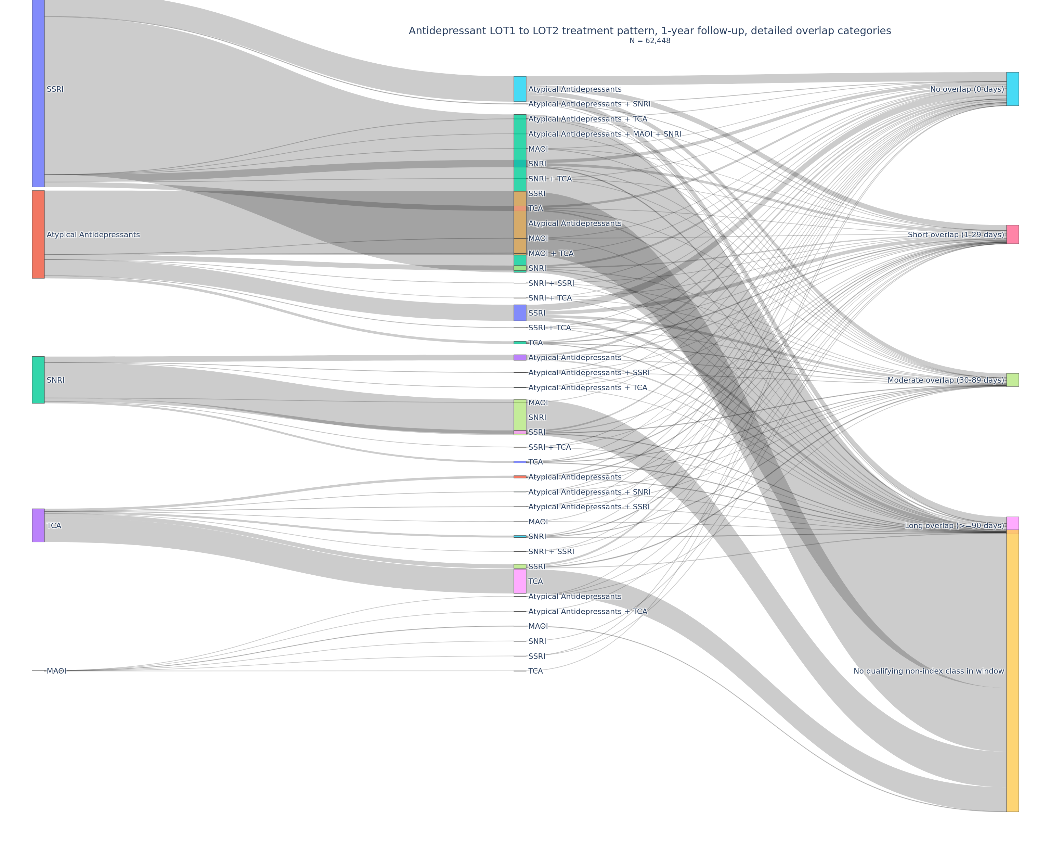
 |  |  |  |  |  |  |  |  |  | If multiple non-index antidepressant classes started on the same earliest LOT2 start date, the LOT2 label was constructed as a combination of those classes. For assigning the patient-level overlap category in the Sankey and LOT summary outputs, the maximum overlap duration across those same-day LOT2 classes was used.

